1. Title Page
[Instacart Grocery Basket Analysis]

Project Name: Instacart Grocery Basket Analysis
Date:08/15/2022
Analyst Name: Falguni Chaudhari

Contents:
Population Flow
Consistency checks
Wrangling steps
Column derivations
Visualizations
Recommendations

Citation
“The Instacart Online Grocery Shopping Dataset 2017”, Accessed from https://www.instacart.com/datasets/grocery-shopping-2017 on 07/04/2022

2. Population Flow
 |  |  | Title page

Population flow

Low activity exclusion flag
Condition: max_order < 5
Obervations to be removed: 2884
Final total count of order_products_all: 32401975

Orders_products_combined
Orders_products_merged
Orders_products_all

Total:
Total:
Total:
32434489 | 32404859 | 32404859

3. Consistency checks
 |  |  |  |  |  |  | Title page
Consistency checks

Dataset | Missing values | Missing values treatment | Duplicates
orders | 206209 missing in days since prior | ignored | no duplicates
products | 16 values missing in product name | dataset created without missing values | 5 duplicates, dataframe without duplicates created
orders_products_prior | none | none | none
customers | none | none | none

Consistency check for missing entries in orders data set
days_since_prior_order | 1 | 2 | 3 | 4 | 5 | 6 | 7 | 8 | 9 | 10 | 11 | 12 | 13 | 14 | 15 | 16 | 17 | 18 | 19 | 20 | 21 | 22 | 23 | 24 | 25 | 26 | 27 | 28 | 29 | 30 | 31 | 32 | 33 | 34 | 35 | 36 | 37 | 38 | 39 | 40 | 41 | 42 | 43 | 44 | 45 | 46 | 47 | 48 | 49 | 50 | 51 | 52 | 53 | 54 | 55 | 56 | 57 | 58 | 59 | 60 | 61 | 62 | 63 | 64 | 65 | 66 | 67 | 68 | 69 | 70 | 71 | 72 | 73 | 74 | 75 | 76 | 77 | 78 | 79 | 80 | 81 | 82 | 83 | 84 | 85 | 86 | 87 | 88 | 89 | 90 | 91 | 92 | 93 | 94 | 95 | 96 | 97 | 98 | 99
0 | 0 | 20536 | 20441 | 17984 | 16438 | 16046 | 14384 | 13890 | 12774 | 11460 | 11784 | 9828 | 9438 | 8960 | 8435 | 8130 | 7848 | 7749 | 7038 | 6902 | 7084 | 6424 | 6170 | 6103 | 6032 | 5541 | 6049 | 5569 | 5201 | 5685 | 4811 | 5133 | 4630 | 4535 | 4552 | 4384 | 4314 | 4093 | 3864 | 4029 | 4056 | 3825 | 3677 | 3670 | 3226 | 3519 | 3326 | 2720 | 3164 | 2634 | 2482 | 2928 | 2624 | 2522 | 2379 | 2483 | 2375 | 2221 | 2354 | 2196 | 2069 | 2247 | 1856 | 2031 | 1585 | 2127 | 1939 | 1871 | 1560 | 1672 | 1700 | 1573 | 1731 | 1555 | 1341 | 1537 | 1526 | 1422 | 1369 | 1184 | 1306 | 1196 | 1150 | 1490 | 1343 | 1358 | 1139 | 1177 | 1177 | 1195 | 1148 | 1040 | 937 | 1134 | 1099 | 1041 | 883 | 1037 | 935
1 | 0 | 31674 | 29950 | 28010 | 27092 | 25533 | 24996 | 22921 | 21783 | 21067 | 21260 | 19516 | 19108 | 18279 | 18544 | 18133 | 16765 | 15977 | 15509 | 15128 | 15183 | 13855 | 13619 | 13230 | 12861 | 13006 | 12938 | 11962 | 12525 | 12084 | 11751 | 11581 | 10867 | 10395 | 9694 | 9688 | 9760 | 9506 | 9562 | 9456 | 8645 | 8873 | 8713 | 8576 | 8441 | 8323 | 8482 | 8199 | 7711 | 7147 | 7715 | 6976 | 6525 | 7033 | 7112 | 6250 | 6438 | 6265 | 5896 | 5851 | 5598 | 5947 | 4935 | 5725 | 4852 | 4950 | 5263 | 4675 | 4568 | 4692 | 4123 | 4405 | 4222 | 4229 | 4013 | 3918 | 4106 | 3996 | 3596 | 4132 | 3518 | 3149 | 3458 | 3289 | 3245 | 3108 | 2970 | 2693 | 3027 | 2787 | 2801 | 2728 | 2605 | 2606 | 2639 | 2436 | 2535 | 2633 | 2363
2 | 0 | 46454 | 46264 | 43902 | 40729 | 40907 | 38101 | 37519 | 35745 | 33830 | 33364 | 31473 | 30602 | 30259 | 28626 | 27574 | 26687 | 26236 | 25612 | 23717 | 23529 | 23979 | 23049 | 22337 | 21831 | 21598 | 20651 | 19776 | 18953 | 19240 | 18736 | 18331 | 17108 | 17534 | 16381 | 16021 | 16448 | 16095 | 15569 | 14664 | 14450 | 14344 | 13397 | 12920 | 12940 | 12895 | 12061 | 13443 | 12348 | 11730 | 11714 | 10607 | 10573 | 10813 | 10214 | 9494 | 9709 | 9349 | 8823 | 8733 | 8963 | 8179 | 8185 | 7712 | 7416 | 7756 | 7338 | 7041 | 7148 | 6623 | 6737 | 6386 | 6289 | 5951 | 5709 | 5629 | 5221 | 5058 | 5071 | 4704 | 4924 | 4388 | 4801 | 4658 | 3946 | 3937 | 4074 | 4204 | 3474 | 3623 | 3555 | 3314 | 3589 | 3319 | 3072 | 2985 | 3057 | 3091 | 2609
3 | 0 | 61637 | 63388 | 59996 | 57882 | 56183 | 52869 | 49291 | 48295 | 47826 | 45028 | 42994 | 42117 | 40701 | 38433 | 37943 | 35934 | 34663 | 34387 | 32645 | 32395 | 31478 | 30683 | 29434 | 29001 | 28254 | 26465 | 27083 | 25750 | 23421 | 23592 | 24477 | 23818 | 22226 | 21865 | 21329 | 20609 | 20805 | 19501 | 20909 | 18544 | 17952 | 17429 | 16905 | 16367 | 16424 | 15506 | 15539 | 14239 | 14977 | 13646 | 13555 | 12915 | 12216 | 11583 | 11839 | 11204 | 10572 | 10601 | 9899 | 10058 | 9837 | 9019 | 9232 | 8346 | 7929 | 7890 | 7420 | 7948 | 7222 | 6659 | 6834 | 6267 | 6273 | 6433 | 6070 | 5437 | 5168 | 5425 | 4885 | 5008 | 4557 | 4436 | 3799 | 4246 | 4005 | 3915 | 3359 | 3573 | 3318 | 3237 | 2799 | 3073 | 2902 | 2635 | 2658 | 2462 | 2168 | 2467
4 | 0 | 76733 | 78861 | 73540 | 70519 | 66569 | 62399 | 61143 | 59499 | 57700 | 54730 | 51935 | 48774 | 46896 | 45838 | 44241 | 42119 | 41276 | 39404 | 37328 | 36517 | 36475 | 35903 | 33132 | 34157 | 31341 | 31036 | 30094 | 28532 | 27017 | 26954 | 26013 | 24438 | 24654 | 23964 | 23047 | 22939 | 21584 | 20794 | 19015 | 19390 | 19327 | 18766 | 18719 | 18091 | 16584 | 16188 | 15564 | 15003 | 14202 | 13801 | 13032 | 12912 | 12019 | 11650 | 11928 | 11599 | 10291 | 9864 | 9640 | 9029 | 8717 | 8571 | 7755 | 8195 | 7316 | 6613 | 6331 | 6114 | 6468 | 6385 | 5590 | 5320 | 4985 | 5209 | 4348 | 4795 | 4442 | 4184 | 4229 | 3868 | 3985 | 3444 | 3224 | 2843 | 2862 | 2584 | 2711 | 2630 | 2342 | 2260 | 2490 | 2031 | 1800 | 2083 | 1918 | 1792 | 1695 | 1810
5 | 0 | 88999 | 91741 | 86503 | 81859 | 77583 | 73584 | 70020 | 64468 | 63154 | 59454 | 55546 | 53534 | 52955 | 49271 | 46960 | 47010 | 44879 | 42069 | 40778 | 40189 | 37707 | 35499 | 36144 | 34793 | 32270 | 31855 | 29641 | 29403 | 29377 | 27823 | 26071 | 25951 | 24194 | 23069 | 22117 | 21232 | 20018 | 19594 | 20514 | 18734 | 17596 | 16948 | 15597 | 15486 | 14351 | 14082 | 13320 | 13483 | 11456 | 12043 | 11739 | 10810 | 10348 | 10181 | 9077 | 8716 | 8578 | 7678 | 7878 | 6733 | 6396 | 6566 | 5757 | 5378 | 5299 | 4611 | 5508 | 5065 | 4396 | 4117 | 4276 | 3544 | 3440 | 3246 | 3197 | 2487 | 2725 | 2746 | 2816 | 2289 | 2303 | 2138 | 2099 | 2372 | 2002 | 1946 | 1566 | 1462 | 1630 | 1630 | 1367 | 983 | 1215 | 1220 | 1166 | 966 | 912 | 936
6 | 0 | 120681 | 122871 | 114644 | 106764 | 100756 | 95954 | 89752 | 87203 | 78634 | 78896 | 74719 | 68650 | 65130 | 62374 | 58794 | 56469 | 54791 | 53258 | 51292 | 49395 | 46209 | 44182 | 41002 | 38586 | 38714 | 36434 | 35073 | 33674 | 32644 | 30845 | 29967 | 28473 | 28306 | 26601 | 26518 | 24094 | 22753 | 22728 | 20868 | 19362 | 18786 | 17762 | 17389 | 16746 | 15137 | 13992 | 12418 | 12933 | 11604 | 11087 | 9631 | 9277 | 8368 | 8686 | 7298 | 7078 | 6703 | 6146 | 6114 | 5515 | 4911 | 5011 | 4549 | 4643 | 3848 | 3975 | 3536 | 3445 | 2902 | 2886 | 2251 | 2779 | 2594 | 2230 | 1949 | 1930 | 1891 | 1738 | 1531 | 1693 | 1448 | 1391 | 1340 | 1216 | 995 | 960 | 1063 | 989 | 754 | 842 | 940 | 1014 | 835 | 570 | 490 | 602 | 485 | 542
7 | 0 | 184802 | 181656 | 167597 | 157442 | 143628 | 137675 | 128423 | 120734 | 114769 | 106392 | 103116 | 100542 | 93723 | 89445 | 86204 | 81249 | 78056 | 73126 | 71052 | 68563 | 64149 | 62517 | 58574 | 56692 | 53871 | 50909 | 48710 | 47628 | 44825 | 42455 | 41609 | 38258 | 35791 | 34191 | 33235 | 32298 | 30421 | 28159 | 27660 | 27208 | 25988 | 23792 | 21938 | 20517 | 19873 | 17770 | 17174 | 15137 | 14707 | 12832 | 12948 | 10361 | 9594 | 8579 | 7316 | 7017 | 6385 | 6247 | 5733 | 5190 | 4902 | 3872 | 3571 | 3462 | 3587 | 3410 | 2562 | 2245 | 2471 | 2108 | 2394 | 2044 | 1907 | 1678 | 1629 | 1784 | 1438 | 1324 | 1086 | 958 | 969 | 920 | 858 | 956 | 710 | 763 | 714 | 694 | 634 | 573 | 521 | 440 | 602 | 421 | 420 | 378 | 419 | 322
8 | 0 | 112324 | 110742 | 102217 | 94945 | 87611 | 81622 | 78760 | 71070 | 67567 | 64889 | 60068 | 57373 | 53559 | 50904 | 47433 | 44192 | 43274 | 40812 | 38660 | 35895 | 35093 | 31992 | 30974 | 30050 | 27674 | 25995 | 26308 | 23929 | 22221 | 21980 | 19751 | 19303 | 17557 | 17539 | 16115 | 16128 | 14634 | 14585 | 13279 | 11925 | 11625 | 11090 | 10410 | 9421 | 8519 | 7974 | 7459 | 7216 | 6493 | 5557 | 5042 | 5048 | 4438 | 3768 | 3757 | 3044 | 2926 | 2888 | 2581 | 2522 | 2243 | 1972 | 1852 | 1713 | 1350 | 1338 | 1509 | 1324 | 1428 | 1085 | 1137 | 1165 | 937 | 958 | 759 | 761 | 762 | 731 | 477 | 475 | 322 | 549 | 656 | 262 | 342 | 278 | 416 | 340 | 238 | 262 | 228 | 244 | 275 | 232 | 234 | 143 | 137 | 84
9 | 0 | 73676 | 75379 | 68513 | 65045 | 58933 | 54801 | 50593 | 47752 | 43483 | 42175 | 38059 | 36775 | 34974 | 31584 | 30753 | 28868 | 26648 | 25607 | 23312 | 22198 | 20464 | 20556 | 18864 | 17911 | 16488 | 16820 | 15386 | 14568 | 13532 | 12991 | 12418 | 11511 | 10783 | 10639 | 9207 | 8483 | 8096 | 7256 | 7041 | 6455 | 5867 | 5848 | 5450 | 4910 | 4506 | 3902 | 3486 | 3554 | 3272 | 3188 | 2813 | 2287 | 2176 | 2294 | 1978 | 1787 | 1629 | 1637 | 1683 | 1281 | 1045 | 1073 | 1005 | 1005 | 705 | 926 | 932 | 715 | 628 | 454 | 550 | 482 | 613 | 417 | 398 | 317 | 482 | 374 | 241 | 271 | 332 | 347 | 348 | 115 | 209 | 201 | 229 | 266 | 190 | 90 | 98 | 101 | 146 | 91 | 67 | 102 | 66 | 65
10 | 0 | 62037 | 62457 | 57676 | 51916 | 49463 | 43706 | 41110 | 38443 | 34916 | 33905 | 32706 | 29763 | 28718 | 25319 | 23601 | 22588 | 20539 | 19364 | 18414 | 17548 | 15869 | 15648 | 14704 | 14095 | 13640 | 12147 | 10827 | 10530 | 10545 | 10006 | 8527 | 8490 | 7972 | 7629 | 6640 | 6158 | 5935 | 5614 | 4596 | 4850 | 4719 | 3768 | 3747 | 3638 | 3395 | 3032 | 2868 | 2346 | 2579 | 2103 | 2125 | 2034 | 1703 | 1579 | 1304 | 1393 | 1226 | 1148 | 901 | 915 | 721 | 893 | 742 | 821 | 570 | 540 | 596 | 431 | 493 | 370 | 443 | 626 | 389 | 579 | 389 | 339 | 239 | 191 | 216 | 143 | 111 | 289 | 203 | 278 | 136 | 223 | 114 | 138 | 60 | 103 | 222 | 78 | 45 | 116 | 4 | 101 | 42 | 59
11 | 0 | 55561 | 55918 | 51974 | 45512 | 42542 | 40174 | 36884 | 33404 | 30830 | 29422 | 27423 | 26254 | 23919 | 21639 | 20252 | 20334 | 17858 | 17074 | 15903 | 13577 | 13913 | 12087 | 11981 | 10706 | 11288 | 9861 | 8609 | 7930 | 7036 | 8067 | 6156 | 6559 | 5935 | 5579 | 5379 | 4936 | 4200 | 4048 | 3722 | 3388 | 2982 | 3199 | 2921 | 2710 | 2192 | 2269 | 2042 | 1782 | 1716 | 1637 | 1343 | 1554 | 1354 | 1225 | 1121 | 1020 | 997 | 819 | 735 | 758 | 652 | 688 | 451 | 523 | 383 | 391 | 349 | 273 | 438 | 417 | 344 | 349 | 286 | 256 | 226 | 234 | 139 | 155 | 213 | 139 | 347 | 102 | 97 | 102 | 111 | 68 | 46 | 61 | 57 | 83 | 175 | 55 | 68 | 126 | 63 | 64 | 1 | 19
12 | 0 | 54604 | 56630 | 51043 | 44615 | 42591 | 38685 | 35331 | 33477 | 29857 | 26682 | 26520 | 24342 | 21421 | 21437 | 20403 | 18272 | 16061 | 15712 | 14412 | 12982 | 12227 | 11013 | 10950 | 9543 | 8705 | 8608 | 7955 | 7454 | 7137 | 6361 | 5965 | 5373 | 4695 | 5381 | 4624 | 3956 | 4086 | 3542 | 3287 | 3193 | 2808 | 2473 | 1952 | 1858 | 2150 | 1981 | 1567 | 1423 | 1746 | 1208 | 1400 | 1138 | 859 | 670 | 797 | 734 | 702 | 978 | 749 | 394 | 538 | 577 | 459 | 536 | 434 | 283 | 386 | 408 | 264 | 319 | 275 | 341 | 196 | 224 | 190 | 137 | 183 | 170 | 126 | 202 | 63 | 65 | 101 | 187 | 55 | 101 | 53 | 55 | 58 | 54 | 70 | 32 | 50 | 75 | 55 | 52 | 5 | 66
13 | 0 | 63962 | 66351 | 58478 | 54339 | 47725 | 44872 | 41268 | 38333 | 34275 | 32540 | 28186 | 26812 | 23669 | 23219 | 20620 | 20562 | 18331 | 16442 | 14425 | 15009 | 12033 | 11747 | 10648 | 10059 | 9569 | 8837 | 7687 | 7736 | 6742 | 5846 | 5659 | 5372 | 5555 | 4727 | 4422 | 3586 | 3598 | 3116 | 2976 | 2921 | 2294 | 2419 | 2244 | 1728 | 1877 | 1674 | 1208 | 1197 | 1105 | 1131 | 847 | 988 | 740 | 684 | 800 | 417 | 480 | 399 | 307 | 557 | 347 | 398 | 390 | 252 | 297 | 355 | 456 | 317 | 228 | 175 | 154 | 116 | 73 | 71 | 230 | 56 | 202 | 214 | 65 | 80 | 123 | 59 | 75 | 53 | 94 | 63 | 56 | 82 | 69 | 93 | 93 | 80 | 85 | 24 | 27 | 61 | 83 | 68
14 | 0 | 82109 | 79773 | 74714 | 67484 | 60476 | 54863 | 49237 | 46265 | 42381 | 38402 | 34335 | 32063 | 30164 | 26894 | 25911 | 24366 | 22016 | 19793 | 18077 | 15054 | 15287 | 14637 | 13303 | 11500 | 10719 | 10466 | 9480 | 7996 | 8325 | 7978 | 6654 | 6229 | 5301 | 4439 | 4868 | 4250 | 3624 | 3925 | 2820 | 2851 | 2258 | 2711 | 2692 | 1951 | 2073 | 1834 | 1640 | 1388 | 1241 | 964 | 633 | 1051 | 627 | 669 | 906 | 582 | 808 | 645 | 455 | 476 | 274 | 437 | 423 | 214 | 168 | 392 | 340 | 257 | 243 | 205 | 277 | 160 | 150 | 103 | 84 | 110 | 124 | 94 | 32 | 91 | 28 | 137 | 45 | 77 | 46 | 41 | 39 | 57 | 38 | 8 | 13 | 96 | 55 | 41 | 32 | 54 | 33 | 5
15 | 0 | 54492 | 53593 | 50229 | 44029 | 39497 | 35548 | 33879 | 29615 | 27757 | 25061 | 24441 | 20663 | 19269 | 17666 | 16195 | 15608 | 13384 | 12534 | 11839 | 10060 | 10403 | 8338 | 7646 | 8086 | 6473 | 6324 | 6086 | 5434 | 5211 | 4247 | 4193 | 3806 | 3391 | 2952 | 2868 | 2706 | 2828 | 2264 | 2339 | 1636 | 1833 | 1692 | 1609 | 1141 | 991 | 936 | 1055 | 653 | 993 | 541 | 558 | 448 | 724 | 661 | 478 | 295 | 341 | 357 | 243 | 155 | 229 | 273 | 175 | 121 | 263 | 158 | 164 | 102 | 129 | 160 | 71 | 137 | 55 | 107 | 106 | 24 | 100 | 78 | 35 | 22 | 66 | 113 | 91 | 56 | 34 | 66 | 9 | 16 | 44 | 14 | 31 | 25 | 6 | 23 | 20 | 17 | 7 | 17
16 | 0 | 38887 | 39524 | 34481 | 30581 | 28286 | 25429 | 22407 | 22373 | 20587 | 17432 | 15607 | 14352 | 13293 | 11936 | 10824 | 9592 | 9666 | 8459 | 7670 | 6717 | 6477 | 5717 | 5714 | 4964 | 4077 | 3811 | 3762 | 3307 | 2613 | 2529 | 3002 | 2341 | 2280 | 1999 | 2040 | 1610 | 1450 | 1400 | 1332 | 974 | 950 | 827 | 717 | 843 | 614 | 745 | 866 | 497 | 574 | 497 | 366 | 389 | 299 | 526 | 260 | 219 | 251 | 184 | 153 | 70 | 74 | 119 | 112 | 190 | 85 | 100 | 85 | 71 | 75 | 115 | 104 | 76 | 64 | 49 | 30 | 48 | 27 | 54 | 19 | 51 | 41 | 51 | 10 | 29 | 31 | 41 | 7 | 8 | 65 | 20 | 7 | 0 | 12 | 0 | 39 | 50 | 17 | 10
17 | 0 | 31942 | 32861 | 29823 | 26271 | 23860 | 20629 | 18592 | 17567 | 16012 | 14276 | 12805 | 12054 | 11604 | 10133 | 9139 | 7982 | 7794 | 7889 | 6215 | 5686 | 5401 | 5216 | 4849 | 3598 | 3633 | 3198 | 2932 | 2766 | 2164 | 2060 | 1918 | 2010 | 1736 | 1713 | 1406 | 1250 | 860 | 1033 | 865 | 969 | 894 | 710 | 673 | 536 | 635 | 540 | 398 | 463 | 314 | 361 | 401 | 353 | 127 | 388 | 236 | 206 | 284 | 135 | 86 | 132 | 118 | 155 | 186 | 91 | 56 | 37 | 76 | 49 | 23 | 44 | 65 | 44 | 34 | 73 | 18 | 21 | 45 | 27 | 16 | 28 | 91 | 10 | 8 | 46 | 15 | 37 | 16 | 1 | 14 | 0 | 32 | 0 | 16 | 7 | 4 | 23 | 0 | 5
18 | 0 | 31615 | 30484 | 27305 | 24859 | 21999 | 19165 | 17597 | 16762 | 15066 | 13316 | 12352 | 11341 | 9946 | 9042 | 8150 | 7173 | 6812 | 6676 | 5862 | 5099 | 4482 | 3583 | 3463 | 3459 | 3366 | 2780 | 2747 | 2179 | 2167 | 1806 | 1962 | 1530 | 1182 | 1515 | 1330 | 1045 | 955 | 1007 | 736 | 847 | 709 | 648 | 681 | 377 | 512 | 448 | 347 | 479 | 277 | 285 | 316 | 170 | 219 | 228 | 123 | 75 | 100 | 170 | 247 | 134 | 140 | 82 | 122 | 43 | 116 | 33 | 182 | 41 | 70 | 44 | 5 | 39 | 0 | 17 | 9 | 31 | 4 | 75 | 3 | 30 | 7 | 4 | 5 | 32 | 0 | 19 | 0 | 16 | 0 | 1 | 13 | 0 | 20 | 0 | 51 | 0 | 0 | 26
19 | 0 | 29890 | 31364 | 26501 | 23852 | 21441 | 19910 | 17867 | 15702 | 14316 | 12668 | 11411 | 10584 | 9073 | 8335 | 7743 | 6936 | 6291 | 6173 | 4884 | 4701 | 4669 | 4084 | 3240 | 3201 | 2651 | 2030 | 2667 | 2480 | 1534 | 1865 | 1574 | 1337 | 1549 | 1102 | 1090 | 830 | 820 | 631 | 574 | 561 | 692 | 718 | 496 | 372 | 211 | 434 | 385 | 288 | 328 | 447 | 269 | 147 | 163 | 106 | 170 | 72 | 120 | 144 | 117 | 128 | 15 | 56 | 70 | 37 | 79 | 15 | 87 | 30 | 28 | 37 | 57 | 26 | 38 | 17 | 41 | 29 | 62 | 26 | 31 | 16 | 0 | 29 | 0 | 60 | 4 | 12 | 1 | 0 | 0 | 6 | 0 | 0 | 0 | 0 | 21 | 14 | 0 | 0
20 | 0 | 35489 | 35213 | 31767 | 28748 | 25526 | 23119 | 19785 | 17132 | 16038 | 13598 | 13388 | 11947 | 10520 | 9639 | 8228 | 7692 | 6706 | 6526 | 5793 | 5526 | 4690 | 4170 | 3582 | 3290 | 3019 | 2897 | 2185 | 1950 | 2255 | 1670 | 1592 | 1357 | 1674 | 1255 | 1169 | 969 | 702 | 1008 | 671 | 640 | 520 | 509 | 423 | 497 | 340 | 479 | 369 | 220 | 399 | 192 | 243 | 149 | 128 | 171 | 146 | 109 | 137 | 95 | 138 | 58 | 100 | 33 | 87 | 83 | 123 | 62 | 51 | 35 | 24 | 0 | 75 | 26 | 19 | 59 | 52 | 47 | 15 | 29 | 40 | 35 | 36 | 81 | 8 | 19 | 24 | 2 | 30 | 2 | 31 | 41 | 7 | 0 | 9 | 0 | 0 | 0 | 0 | 0
21 | 0 | 43945 | 44587 | 37647 | 32182 | 31429 | 26005 | 23502 | 20599 | 19549 | 16181 | 15146 | 13353 | 12165 | 10983 | 9804 | 8601 | 8148 | 6913 | 6130 | 5927 | 4786 | 4268 | 4144 | 3866 | 3530 | 3100 | 2424 | 2532 | 2545 | 2041 | 1605 | 1715 | 1658 | 1332 | 1147 | 1106 | 928 | 889 | 761 | 702 | 583 | 431 | 409 | 486 | 394 | 390 | 300 | 402 | 321 | 218 | 102 | 238 | 154 | 172 | 189 | 121 | 150 | 56 | 80 | 90 | 96 | 51 | 76 | 42 | 97 | 27 | 69 | 27 | 41 | 13 | 43 | 57 | 24 | 59 | 30 | 6 | 16 | 1 | 22 | 11 | 0 | 10 | 2 | 0 | 29 | 0 | 30 | 8 | 19 | 0 | 32 | 12 | 0 | 19 | 0 | 0 | 12 | 0
22 | 0 | 30037 | 29490 | 26582 | 23394 | 20486 | 18492 | 16947 | 15403 | 13864 | 11554 | 10671 | 9305 | 8216 | 8127 | 6580 | 6234 | 5182 | 4549 | 4677 | 3839 | 3146 | 3236 | 3001 | 2495 | 2454 | 1872 | 1824 | 1380 | 1433 | 1564 | 1477 | 979 | 950 | 987 | 804 | 785 | 701 | 487 | 424 | 543 | 394 | 345 | 421 | 413 | 276 | 374 | 347 | 198 | 137 | 196 | 280 | 130 | 119 | 141 | 128 | 33 | 96 | 61 | 70 | 34 | 2 | 75 | 7 | 26 | 28 | 34 | 0 | 56 | 41 | 12 | 22 | 26 | 10 | 12 | 57 | 0 | 16 | 19 | 2 | 0 | 0 | 0 | 14 | 0 | 0 | 0 | 17 | 0 | 0 | 9 | 0 | 0 | 0 | 0 | 0 | 0 | 0 | 0
23 | 0 | 22950 | 24117 | 19794 | 17068 | 15570 | 13896 | 11557 | 11146 | 8681 | 8556 | 7648 | 7303 | 6119 | 5458 | 4291 | 4270 | 3879 | 3137 | 3083 | 2834 | 2676 | 2029 | 2081 | 1652 | 1636 | 1295 | 1259 | 1037 | 1104 | 1082 | 987 | 960 | 468 | 519 | 654 | 448 | 461 | 407 | 426 | 256 | 302 | 265 | 157 | 285 | 177 | 169 | 149 | 104 | 159 | 117 | 178 | 56 | 77 | 92 | 118 | 35 | 82 | 29 | 7 | 53 | 63 | 22 | 16 | 19 | 0 | 21 | 6 | 52 | 18 | 9 | 0 | 10 | 52 | 30 | 40 | 0 | 10 | 3 | 10 | 0 | 0 | 8 | 18 | 0 | 0 | 0 | 0 | 0 | 13 | 0 | 0 | 0 | 0 | 9 | 0 | 0 | 0 | 0
24 | 0 | 19287 | 19434 | 16898 | 15718 | 13536 | 12404 | 10803 | 9504 | 8252 | 7621 | 6317 | 5887 | 5426 | 4422 | 3774 | 3489 | 3504 | 2731 | 2298 | 2407 | 1921 | 1854 | 1960 | 1176 | 1362 | 1501 | 681 | 1007 | 665 | 646 | 641 | 546 | 508 | 611 | 571 | 457 | 478 | 250 | 281 | 321 | 214 | 118 | 194 | 186 | 156 | 170 | 136 | 79 | 59 | 88 | 36 | 94 | 72 | 27 | 96 | 18 | 108 | 12 | 51 | 34 | 11 | 24 | 29 | 66 | 23 | 0 | 4 | 18 | 22 | 12 | 0 | 16 | 13 | 13 | 0 | 17 | 9 | 19 | 0 | 0 | 2 | 0 | 0 | 0 | 17 | 9 | 0 | 0 | 0 | 0 | 0 | 0 | 0 | 0 | 0 | 0 | 0 | 0
25 | 0 | 18759 | 19368 | 16264 | 14223 | 12605 | 10713 | 9214 | 8535 | 7797 | 6475 | 6109 | 5831 | 4802 | 4514 | 4009 | 3358 | 2919 | 2747 | 2286 | 2090 | 2071 | 1554 | 1299 | 1409 | 1081 | 1116 | 1259 | 749 | 950 | 710 | 557 | 545 | 487 | 381 | 294 | 259 | 227 | 388 | 169 | 183 | 111 | 218 | 216 | 179 | 78 | 26 | 87 | 77 | 153 | 99 | 27 | 186 | 4 | 73 | 62 | 17 | 39 | 51 | 5 | 6 | 46 | 49 | 39 | 44 | 5 | 26 | 26 | 0 | 10 | 43 | 0 | 0 | 0 | 13 | 0 | 3 | 15 | 0 | 0 | 30 | 0 | 32 | 16 | 0 | 0 | 0 | 0 | 0 | 0 | 0 | 0 | 0 | 0 | 0 | 0 | 0 | 0 | 0
26 | 0 | 18449 | 19464 | 16067 | 14922 | 12991 | 11803 | 9902 | 8717 | 7911 | 6910 | 5880 | 4830 | 4669 | 3840 | 4174 | 3177 | 2905 | 2618 | 2181 | 1966 | 1606 | 1667 | 1056 | 997 | 1082 | 884 | 715 | 757 | 553 | 666 | 412 | 399 | 357 | 230 | 339 | 279 | 175 | 252 | 296 | 146 | 117 | 219 | 86 | 92 | 53 | 130 | 43 | 90 | 24 | 36 | 81 | 13 | 78 | 9 | 35 | 5 | 48 | 19 | 85 | 29 | 0 | 28 | 2 | 0 | 42 | 9 | 2 | 0 | 0 | 6 | 7 | 16 | 13 | 0 | 36 | 0 | 0 | 0 | 0 | 4 | 4 | 0 | 0 | 16 | 8 | 0 | 37 | 0 | 0 | 0 | 0 | 0 | 0 | 9 | 0 | 0 | 0 | 0
27 | 0 | 21333 | 22614 | 20202 | 18333 | 14454 | 12479 | 11797 | 10209 | 8594 | 7344 | 6181 | 6244 | 5267 | 4702 | 4019 | 3448 | 3108 | 2756 | 2394 | 1970 | 1734 | 1726 | 1733 | 1064 | 1132 | 1081 | 936 | 624 | 667 | 595 | 406 | 479 | 456 | 460 | 286 | 338 | 411 | 273 | 243 | 170 | 177 | 227 | 89 | 114 | 92 | 164 | 85 | 69 | 19 | 71 | 55 | 90 | 84 | 10 | 21 | 42 | 54 | 12 | 32 | 7 | 39 | 19 | 2 | 7 | 5 | 68 | 22 | 0 | 5 | 0 | 4 | 0 | 9 | 0 | 9 | 15 | 0 | 19 | 0 | 4 | 2 | 0 | 14 | 0 | 10 | 7 | 13 | 0 | 12 | 0 | 0 | 0 | 0 | 0 | 0 | 0 | 0 | 0
28 | 0 | 27969 | 28780 | 25260 | 20869 | 18116 | 16532 | 14232 | 12702 | 10896 | 8778 | 8501 | 7205 | 6831 | 4939 | 4814 | 4373 | 3694 | 3127 | 3326 | 2696 | 1682 | 1953 | 1791 | 1206 | 1377 | 1354 | 936 | 953 | 858 | 973 | 645 | 625 | 519 | 281 | 490 | 517 | 412 | 345 | 209 | 117 | 248 | 146 | 180 | 158 | 213 | 108 | 110 | 102 | 50 | 86 | 104 | 58 | 97 | 91 | 66 | 65 | 35 | 57 | 13 | 28 | 21 | 23 | 2 | 56 | 32 | 8 | 0 | 27 | 0 | 0 | 23 | 1 | 0 | 0 | 9 | 16 | 0 | 0 | 3 | 0 | 0 | 3 | 0 | 0 | 11 | 12 | 0 | 0 | 0 | 0 | 0 | 0 | 0 | 0 | 6 | 0 | 0 | 0
29 | 0 | 19943 | 19840 | 17003 | 14768 | 13290 | 11258 | 10092 | 8856 | 7650 | 6352 | 5118 | 5280 | 4941 | 3943 | 3556 | 2777 | 2685 | 2156 | 1859 | 1459 | 1740 | 1177 | 1266 | 1006 | 904 | 800 | 713 | 438 | 483 | 539 | 392 | 270 | 466 | 267 | 219 | 189 | 164 | 168 | 220 | 114 | 196 | 155 | 46 | 74 | 49 | 71 | 51 | 53 | 32 | 31 | 39 | 68 | 49 | 14 | 6 | 1 | 6 | 21 | 5 | 0 | 17 | 0 | 0 | 0 | 0 | 10 | 9 | 10 | 48 | 0 | 0 | 7 | 0 | 6 | 0 | 13 | 0 | 0 | 0 | 0 | 0 | 0 | 13 | 5 | 0 | 0 | 0 | 0 | 0 | 4 | 0 | 0 | 0 | 0 | 0 | 0 | 0 | 0
30 | 0 | 465633 | 455713 | 365995 | 294503 | 241262 | 196568 | 163732 | 135424 | 113059 | 94737 | 78815 | 66634 | 55706 | 46936 | 39673 | 33559 | 28820 | 25009 | 22018 | 18240 | 16090 | 14066 | 11276 | 10298 | 9025 | 7395 | 7262 | 6002 | 5174 | 4447 | 3796 | 3650 | 3221 | 2628 | 2216 | 1983 | 1842 | 1681 | 1168 | 1071 | 962 | 1097 | 830 | 1001 | 1025 | 672 | 588 | 454 | 376 | 349 | 438 | 309 | 215 | 221 | 177 | 140 | 211 | 102 | 174 | 117 | 147 | 108 | 197 | 58 | 101 | 79 | 87 | 77 | 37 | 76 | 82 | 51 | 45 | 2 | 70 | 55 | 56 | 19 | 49 | 44 | 37 | 35 | 0 | 0 | 4 | 12 | 15 | 0 | 6 | 11 | 3 | 0 | 0 | 5 | 0 | 0 | 8 | 13

4. Wrangling steps
 |  |  |  | Title page
Wrangling steps

Columns dropped | Columns renamed | Columns' type changed | Comment/Reason
 | order_dow to orders_day_of_week |  | name was not clear
 |  | orders_id type to string | column acts as key
 |  | user_id type to string | column acts as key
 | First name to firstname |  | more consistent with rest of data
 | Surnam to last_name |  | more consistent and fixed typo
 | fam_status to marital_status |  | easier to understand
 | n_dependants to no_of_dependents |  | clearer
 | Gender to gender |  | consistency
 | Age to age |  | consistency
 | STATE to state |  | consistencty
 |  | first_name to string | data types were mixed
first_name |  |  | data privacy
last_name |  |  | data privacy

5. Column derivations
 |  |  |  |  |  |  | Title page

Column derivations and aggregations

Dataset | New column | Column/s it was derived from | Conditions | Frequency table
ords_prods_merged
 | price_range_loc | prices column | prices >15 are high range products |  | Mid-range product | 652638
 |  |  | prices less than or equals to 15 and greater than 5 are mid range products |  | Low-range product | 338018
 |  |  | prices less than or equals to 5 are low range products |  | High-range product | 9344

 | busiest_day | orders_day_of_week | busiest day is day 0, least busy is day 4, rest are regularly busy |  | Regularly busy | 22416875
 |  |  |  |  | Busiest day | 6204182
 |  |  |  |  | Least busy | 3783802

 | busiest_days | orders_day_of_week | 0 and 1 are the busiest days, 4 and 3 are the least busy days, rest are regularly busy
 |  |  |  |  | Regularly busy | 12916111
 |  |  |  |  | Busiest days | 11864412
 |  |  |  |  | Least busy days | 7624336

 | busiest_periods | order_hour_of_day | The fewest orders are in the early morning from 0-6
 |  |  | the most orders occur in the daytime from 9-16 |  | Most orders | 21118071
 |  |  | average orders occur in the evening/night from 7-8 and 17-23 |  | Average orders | 10399967
 |  |  |  |  | Fewest orders | 886821

 | max_order | user_id | max number of orders for each user
 |  | order_number

 | loyalty_flag | max_order | If the maximum orders the user has made is over 40, then the customer will be labeled a “Loyal customer.”
 |  |  | If the maximum orders the user has made is over 10 but less than or equal to 40, then the customer will be labeled a regular customer |  | Regular customer | 15876776
 |  |  | If the maximum orders the user has made is less than or equal to 10, then the customer will be labeled a new customer |  | Loyal Customer | 10284093
 |  |  |  |  | New customer | 6243990

 | mean_price | prices | mean price of each users orders

 | spending_flag | mean_price | If the mean of the prices of products purchased by a user is lower than 10, then flag them as a “Low spender.”
 |  |  | If the mean of the prices of products purchased by a user is higher than or equal to 10, then flag them as a high spender |  | Low Spender | 32285131
 |  |  |  |  | High Spender | 119728

 | median_prior_days | days_since_prior_order | median value of days since prior order of each user

 | order_frequency | median_prior_days | If the median of “days_since_prior_order” is higher than 20, then the customer should be labeled a “Non-frequent customer.”
 |  |  | If the median is higher than 10 and lower than or equal to 20, then the customer should be labeled a “Regular customer.” |  | Frequent customer | 21559853
 |  |  | If the median is lower than or equal to 10, then the customer should be labeled a “Frequent customer.” |  | Regular customer | 7208564
 |  |  |  |  | Non-frequent customer | 3636437

 | total_orders | user_id | count of amount of times each user_id appears

 | activity_flag | total_orders | low activity customers have less than 5 orders, regular activity customers have greater than 5 orders
 |  |  |  |  | Regular Activity | 32401975
 |  |  |  |  | Low Activity | 2884

 | region | state | states were divided into their respective regions
 |  |  |  |  | South | 10790797
 |  |  |  |  | West | 8292161
 |  |  |  |  | Midwest | 7596753
 |  |  |  |  | Northeast | 5722264

 | age_group | age | young adults range from 18-24, adults range from 24-64, seniors are over 64
 |  |  |  |  | Adult | 20254986
 |  |  |  |  | Senior | 8574323
 |  |  |  |  | Young adult | 3572666

 | income_flag | income | Low income ranges from 0-52,000
 |  |  | Middle income ranges from 52,000-156,000 |  | Middle income | 25572168
 |  |  | Upper income ranges from 156,000 and higher |  | Low income | 3878331
 |  |  | these values are the official ranges for the US in 2017 |  | Upper income | 2951476

 | dependent_flag | no_of_dependents | users with 0 dependents have no dependents
 |  |  | users with >0 dependents are parents |  | Parent | 24305226
 |  |  |  |  | No dependents | 8096749

 | pet_parents | department | if user purchased any pet products, they are classified as a pet parent
 |  |  |  |  | no pets | 28873845
 |  |  |  |  | pet parent | 3528130

6. Recommendations
 |  |  |  |  |  |  |  |  |  |  |  |  |  |  | Title page

Recommendations

Key Questions

The sales team needs to know what the busiest days of the week and hours of the day are (i.e., the days and times with the most orders) in order to schedule ads at times when there are fewer orders

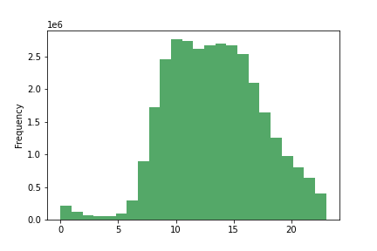
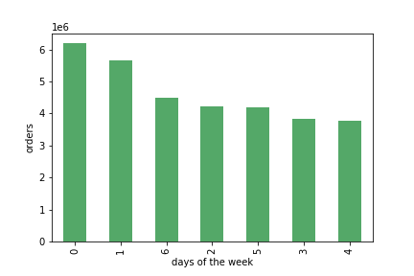

This histogram shows the number of orders made hourly.
The busiest hours of the day are the midday hours from 10am to 3pm. Ads should be scheduled outside this time period.
This bar chart shows the number of orders made for every day of the week.
The most orders are made over the weekend from Friday to Sunday. Ads should be scheduled on the weekdays.

They also want to know whether there are particular times of the day when people spend the most money, as this might inform the type of products they advertise at these times.
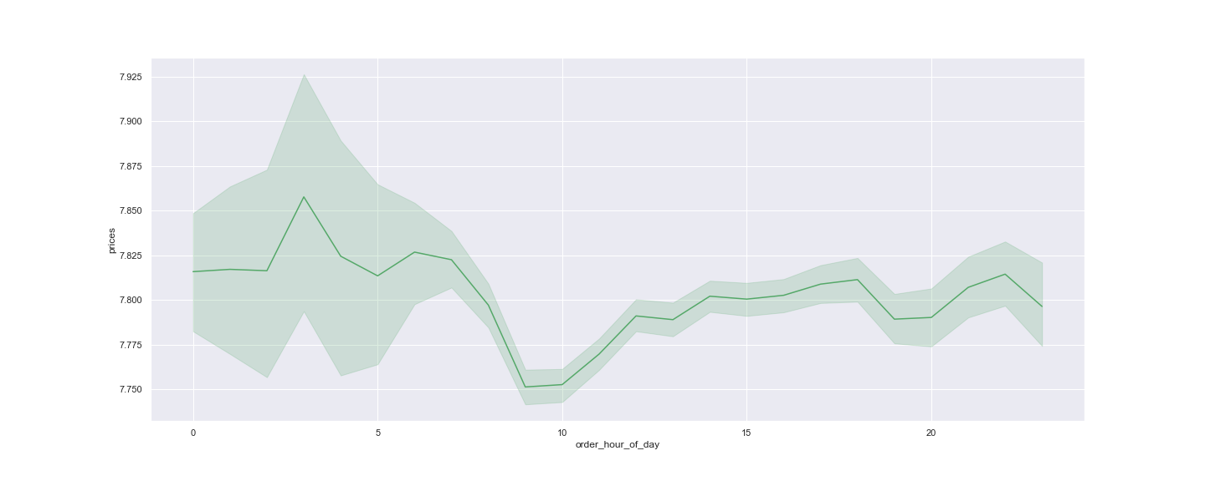

This line chart shows the mean price of goods purchased for each hour of the day.
The most expensive products are ordered between midnight and 7 am. Higher priced products can be advertised at these times.

Instacart has a lot of products with different price tags. Marketing and sales want to use simpler price range groupings to help direct their efforts.

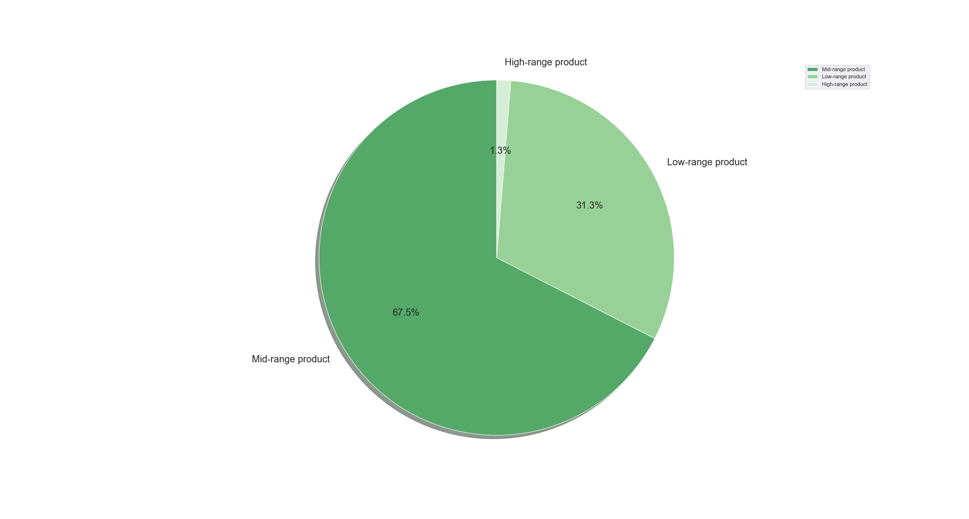

The prices have been grouped into high range products (>$15), mid-range products (<=$15 & >$5) and low-range products (<=$5).
The pie chart shows the distribution of products in each price range.
Mid-range products are the most popular products. High-range products are the least popular products.

Are there certain types of products that are more popular than others? The marketing and sales teams want to know which departments have the highest frequency of product orders.

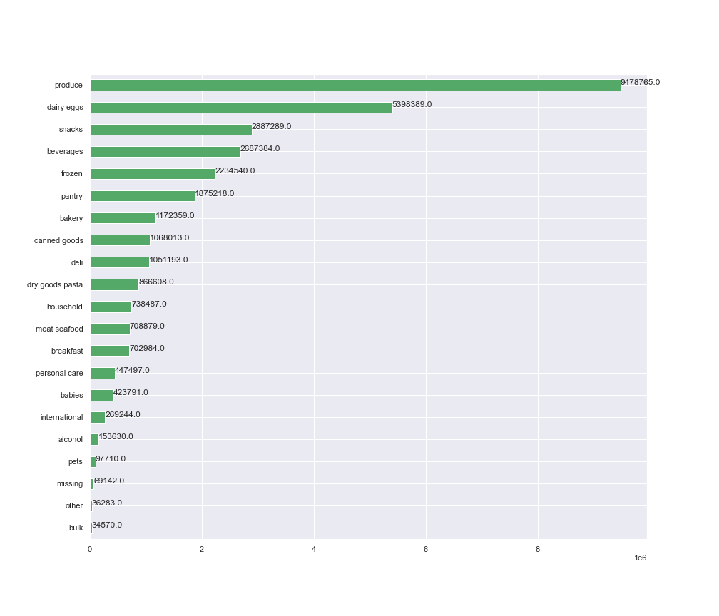

This chart shows the amount of products ordered from each department.
The most orders come from the produce, dairy eggs, snacks, and beverages department. The fewest orders come from the bulk department.
Effort could be made to advertise the products at the bottom.

What’s the distribution among users in regards to their brand loyalty (i.e., how often do they return to Instacart)?

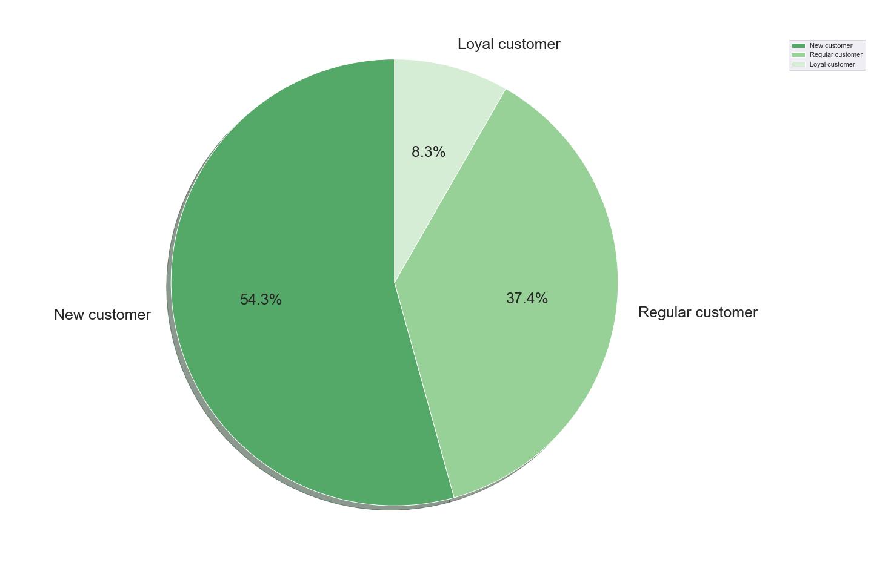

This chart shows percentage of customers in each loyalty status.
There are more new customers than regular customers. There are more regular customers than loyal customers.
Ads targeted at new and regular customers can encourage them to become loyal customers.

Are there differences in ordering habits based on a customer’s loyalty status?

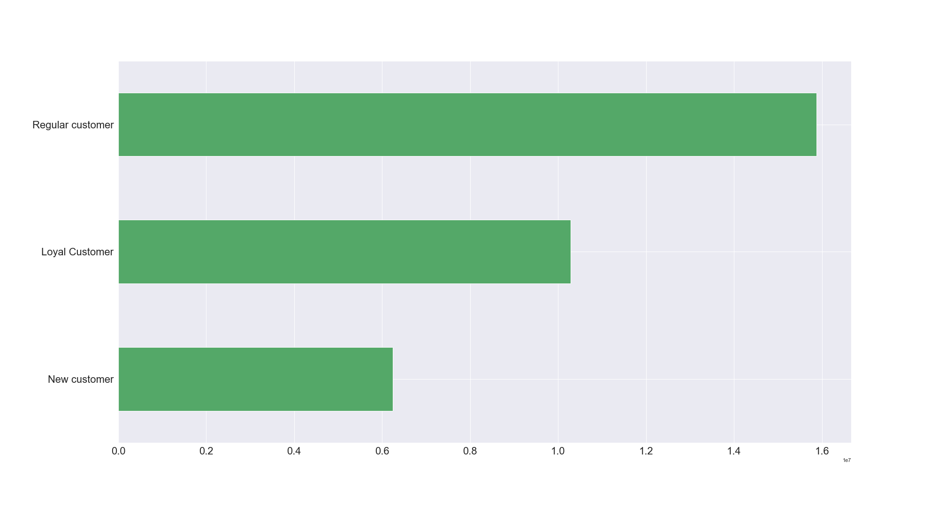

The chart to the left shows the total orders made by each loyalty status.
Regular customers order the most while new customers order the least.
Ads that target new customers could increase sales.

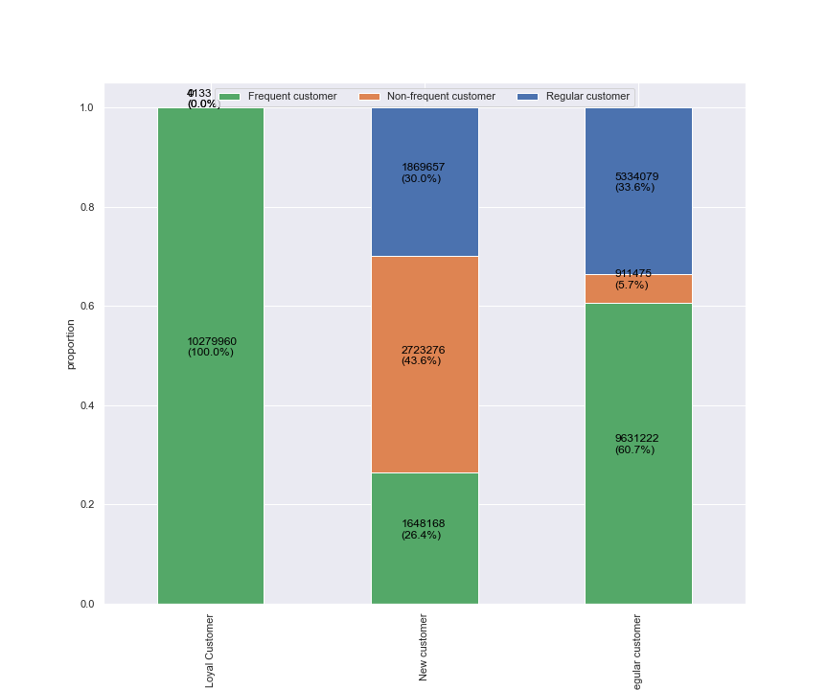
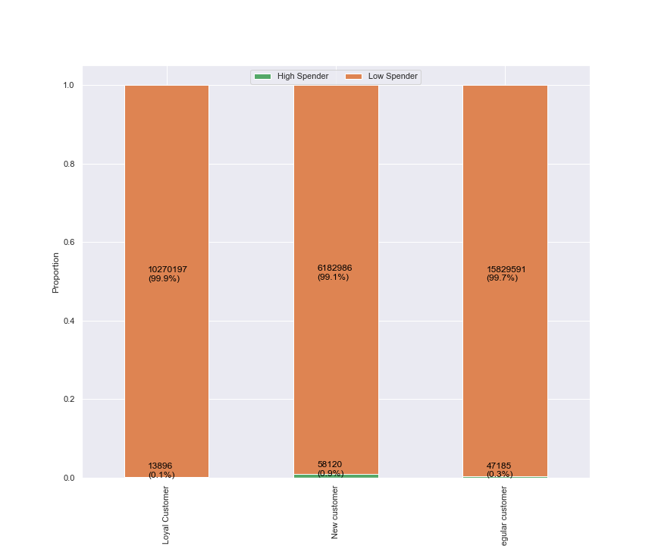

The chart above shows the proportion of loyal, new and regular customers that are either high spenders or low spenders.
Loyal customers have the fewest high spenders compared to regular customers and new customers. New customers have the most high spenders.
The chart above shows the proportion of loyal, new and regular customers that are either frequent, non-frequent, and regular in terms of order frequency.
Loyal customers consist entirely of frequent customers. Regular customers have a higher proportion of frequent customers and regular customers than that of new customers.
New customers have the highest proportion of non-frequent customers compared to the rest.
Targeted ads for new customers and regular customers on less busy days could improve order frequency.

 | loyalty_flag | alcohol | babies | bakery | beverages | breakfast | bulk | canned goods | dairy eggs | deli | dry goods pasta | frozen | household | international | meat seafood | missing | other | pantry | personal care | pets | produce | snacks
 | Loyal Customer | 0% | 2% | 4% | 8% | 2% | 0% | 3% | 18% | 3% | 2% | 6% | 2% | 1% | 2% | 0% | 0% | 5% | 1% | 0% | 31% | 9%
 | New customer | 1% | 1% | 4% | 8% | 2% | 0% | 4% | 16% | 3% | 3% | 8% | 3% | 1% | 2% | 0% | 0% | 6% | 2% | 0% | 28% | 9%
 | Regular customer | 0% | 1% | 4% | 8% | 2% | 0% | 3% | 16% | 3% | 3% | 7% | 2% | 1% | 2% | 0% | 0% | 6% | 1% | 0% | 29% | 9%

The table above shows each loyalty flag and what percentage of their orders come from each department. All three types of customers have produce as their most ordered department.
The table can be a guide for what products to advertise to these kinds of customers.

Are there differences in ordering habits based on a customer’s region?

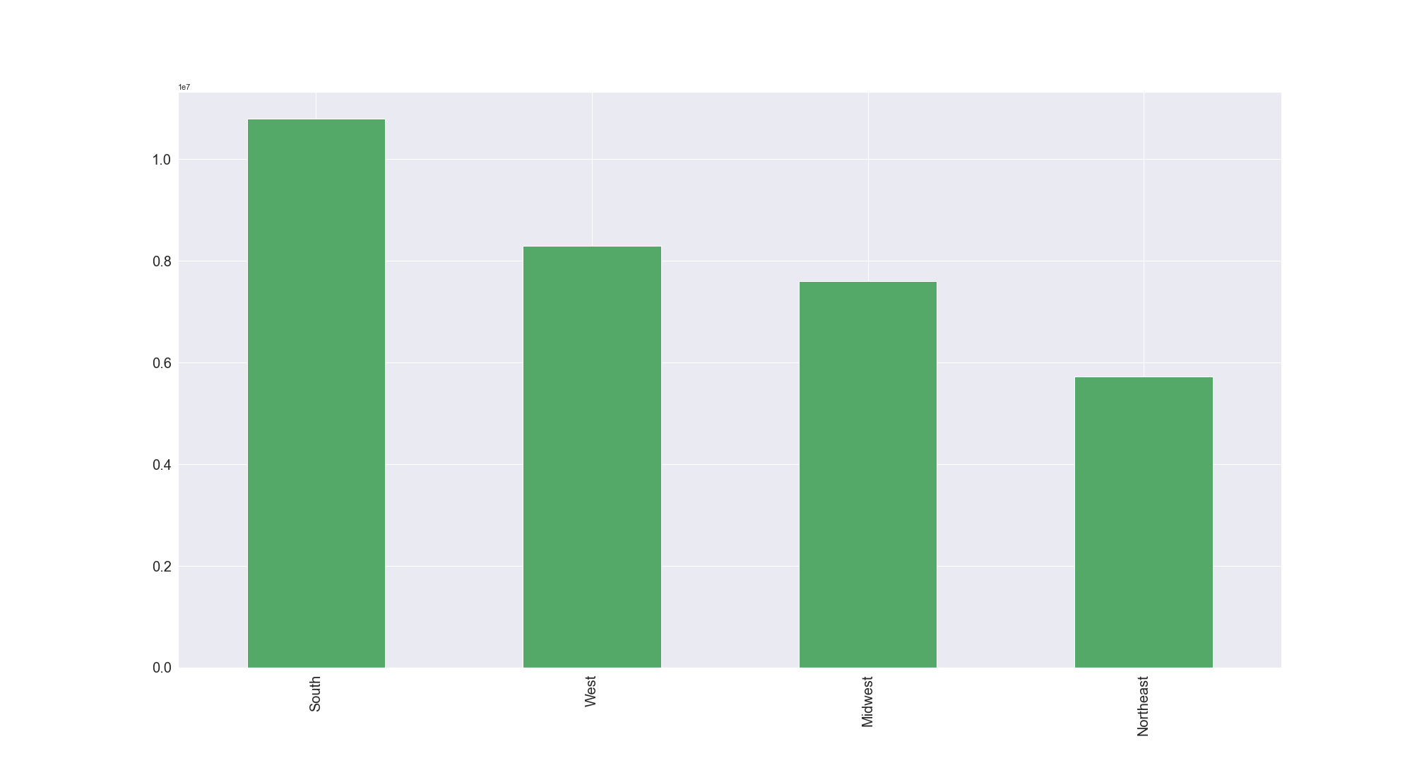

The chart to left shows the orders coming from each region.
The south has generated the most Instacart orders compared to the other regions.
The northeast has generated the fewest orders for Instacart compared to the other regions.
Targeted ads can be used to improve sales in the less popular regions.

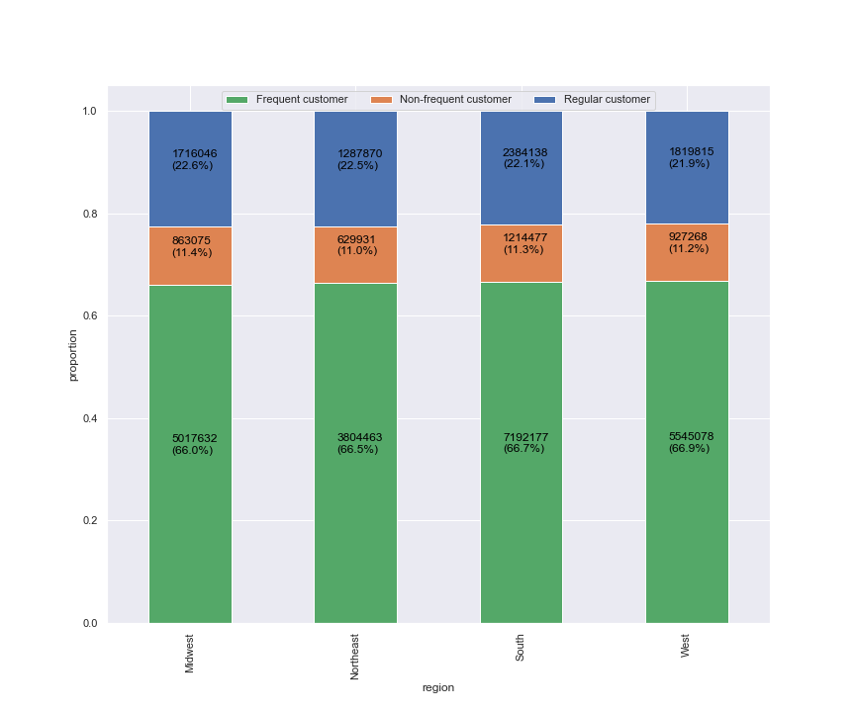

The stacked bar chart shows what proportion of orders from each region come from frequent customers, non-frequent customers and regular customers.
The west has the highest proportion of frequent customers compared to other regions but they have similar proportions.

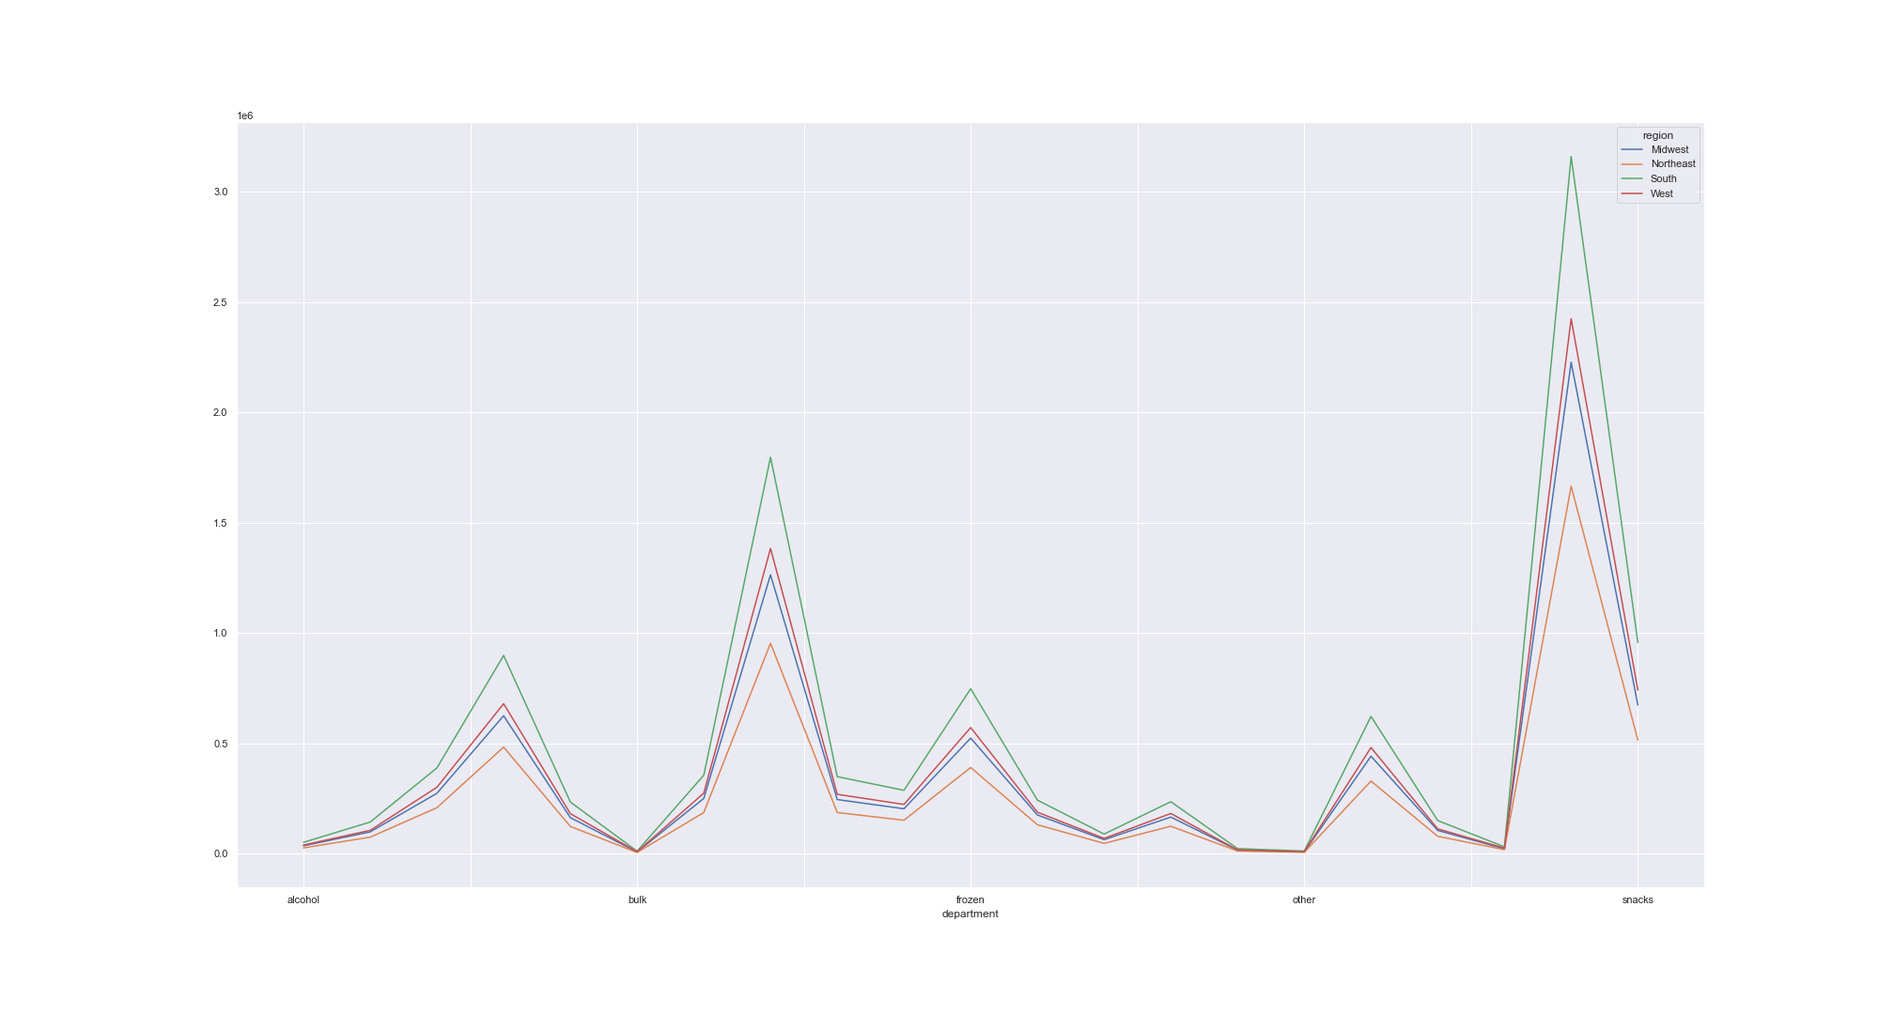

The line chart to the left shows the frequency of orders made for each department in each region.
All regions have the same preferences in terms of department. Produce is the most popular department while bulk is the least popular item.
Produce, dairy eggs, snacks and other frequently purchased goods should be advertised to customers in every region.

 | What different classifications does the demographic information suggest? Age? Income? Certain types of goods? Family status?

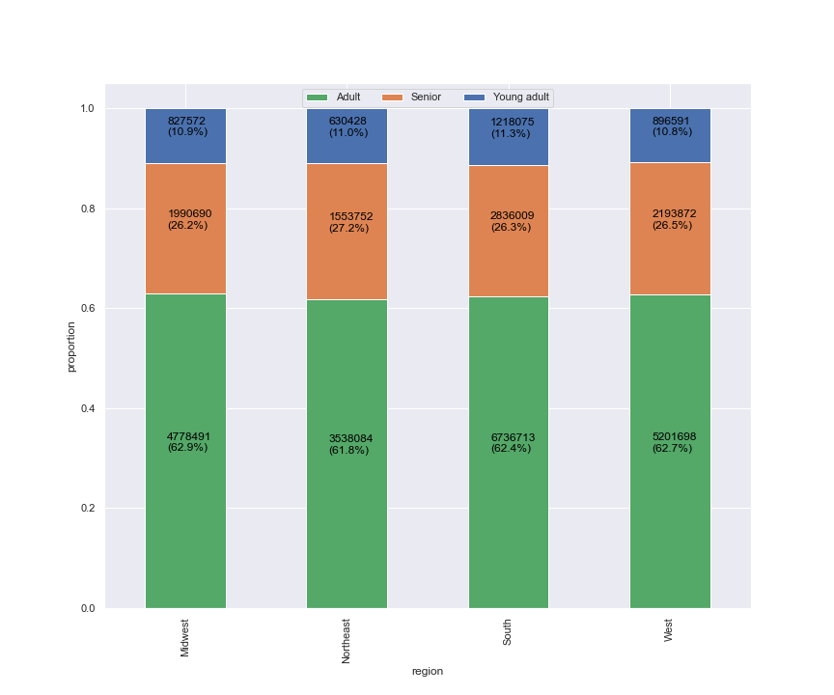
 | Age

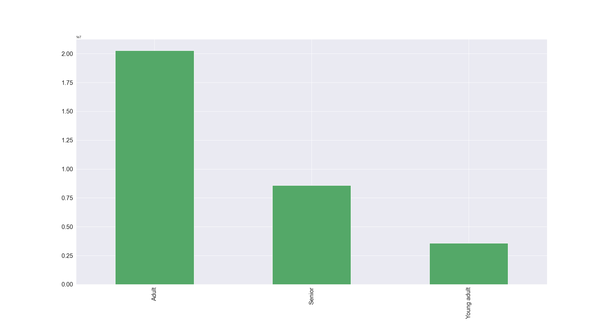

The chart shows the distribution of orders from each age group in each region.
Customers of different age groups behave similarly in each region.
The customers can be divided into different age groups. Young adults range from 18-24, adults from 25-64 and seniors are above 65.
The chart above shows that the most orders come from adults. The adult age group has a wide range so this is expected.

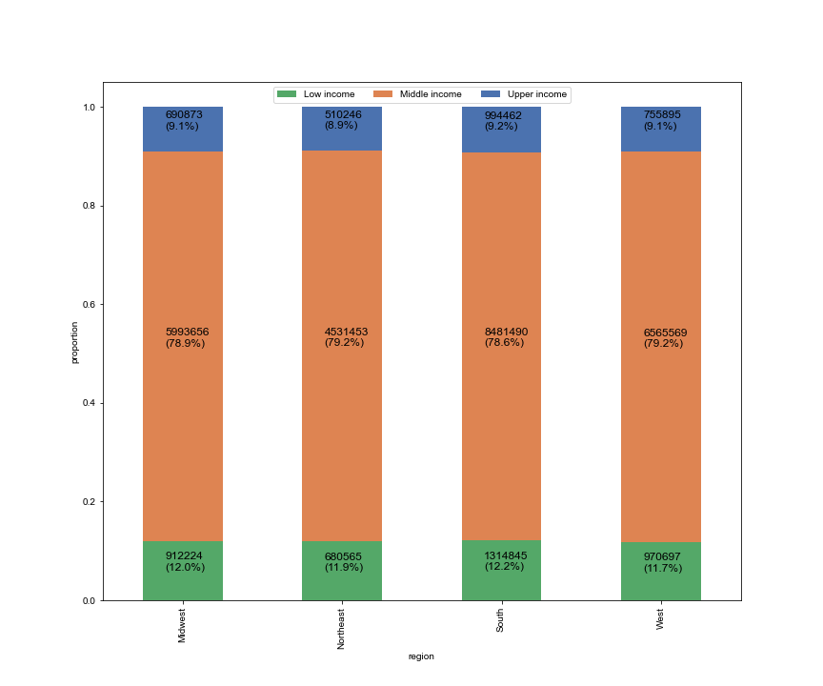
 | Income

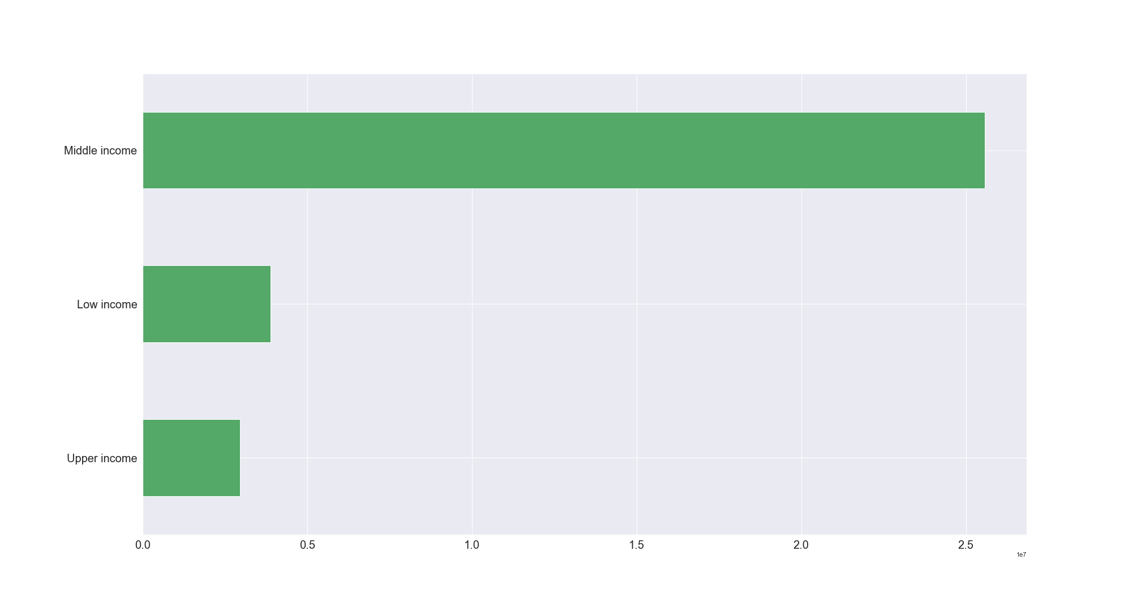

Customers can be divided into different income brackets. Low income, middle income, upper income.
The chart shows the frequency of orders coming from each income bracket.
Most of the orders come from customers in the middle income group while the fewest orders come from upper income individuals.
The chart above shows the regional distribution of orders coming from each income group.
The south has the highest proportion of low income orders and also the highest proportion of upper income orders.

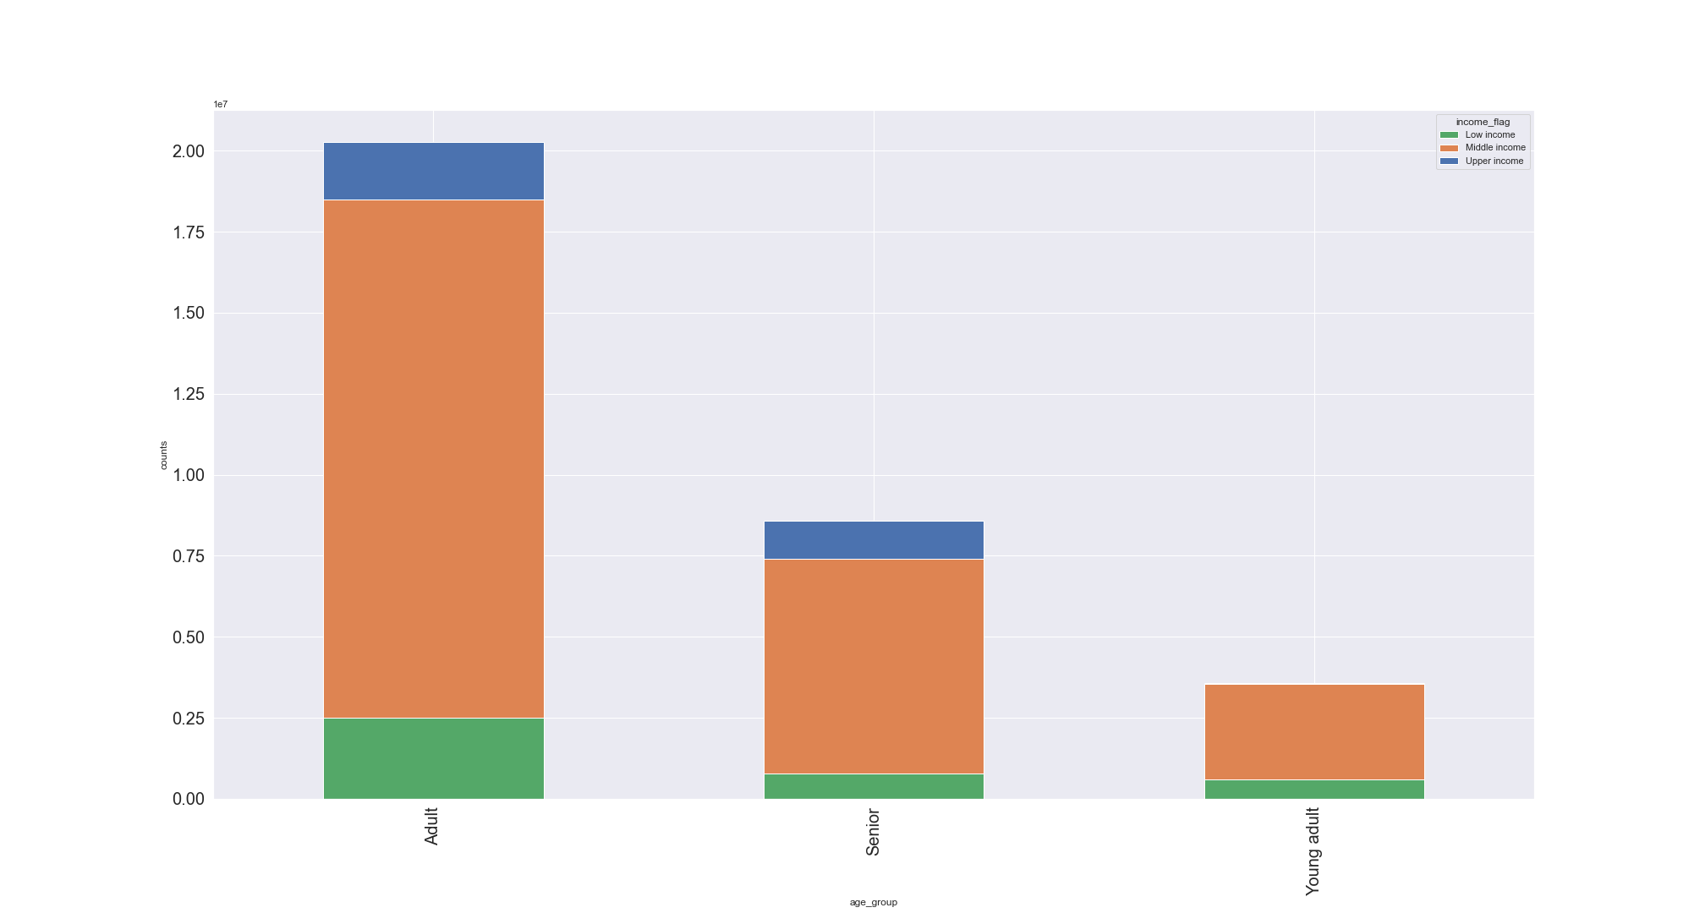

The stacked chart to the left shows the income groups of each age group.
Young adults have no individuals in the upper income group, targeted ads for the middle income and low income groups could help increase young adult sales.

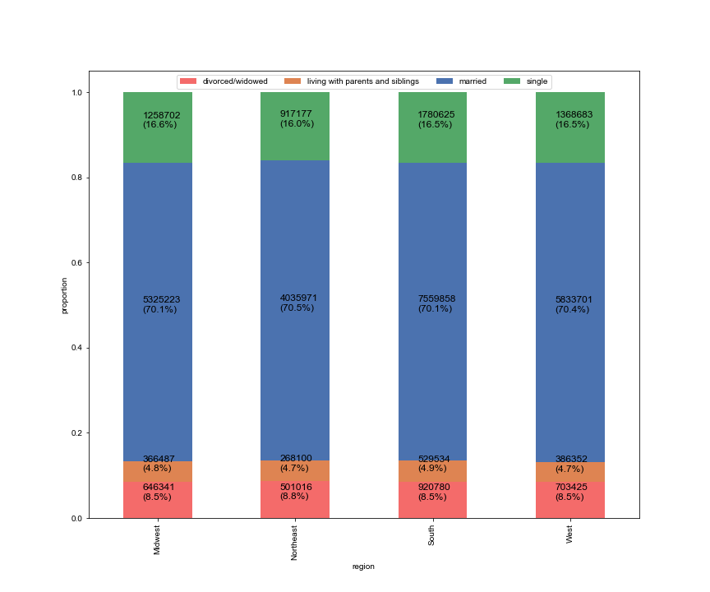
 | Family Status

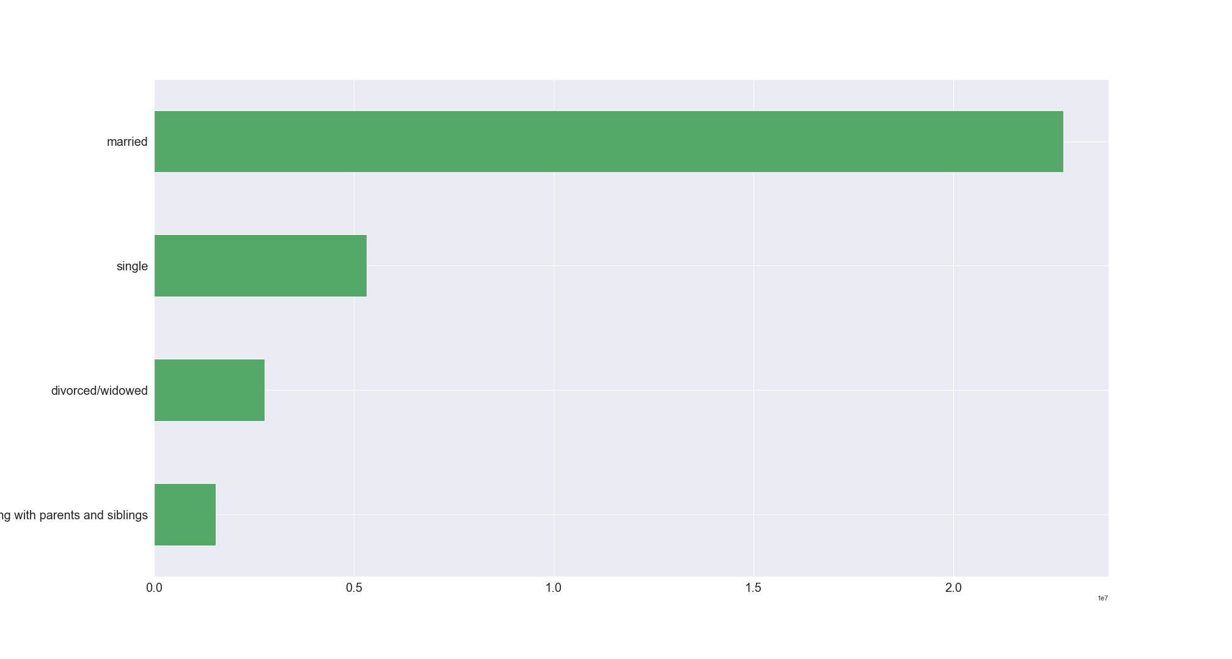

Customers can be profiled based on their family status.
The chart above shows the frequency of order coming from customers in each family status.
The most orders are made by married customers while the fewest orders are made by customers living with parents are siblings.
The chart above shows the regional distribution of orders coming from individuals of each family status. Married customers make the most orders in all four regions compared to others.
Ads targeting the other family status group could be beneficial in boosting sales from them.

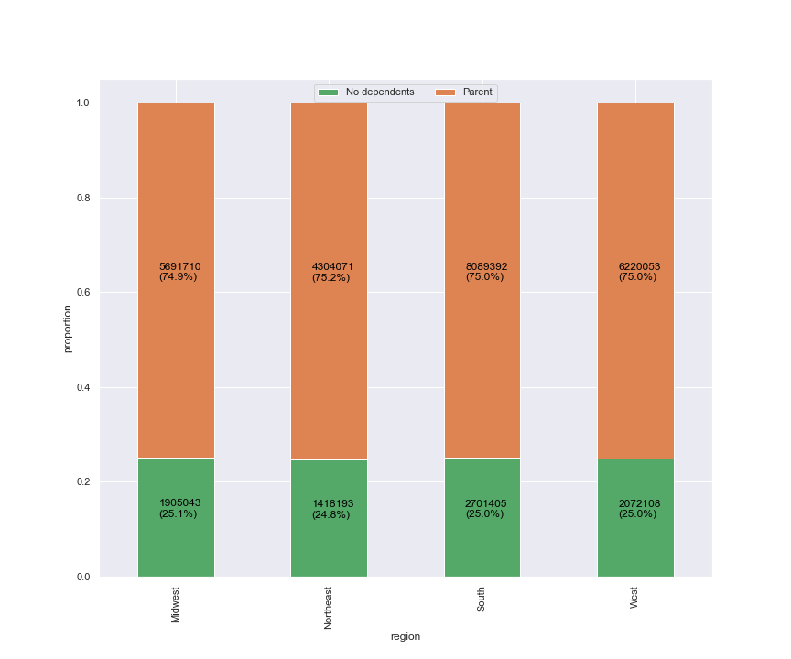

 | Dependents or no dependents
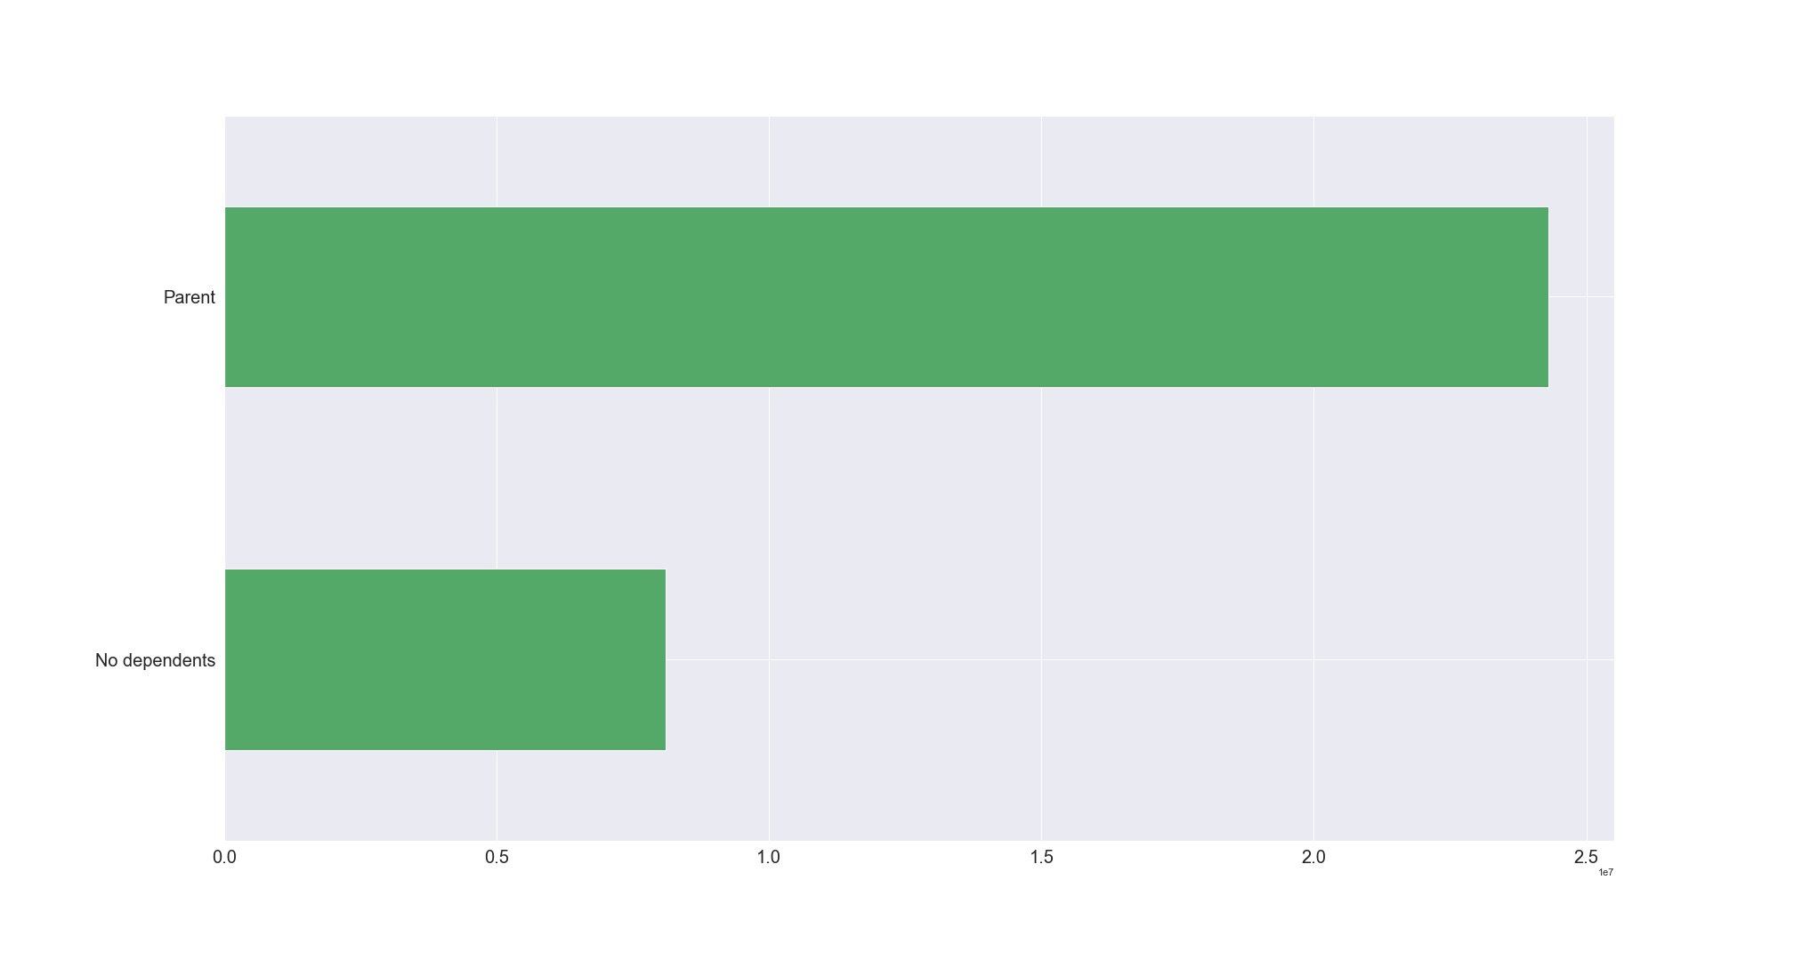

Some Instacart customers have dependents while others do not, this could affect their ordering habits.
The chart above shows the frequency of orders made by both of those groups.
Customers with dependents make more orders than individuals without dependent.
The chart above shows the regional distribution of both groups. The Midwest has the highest proportion of customers with no dependents.

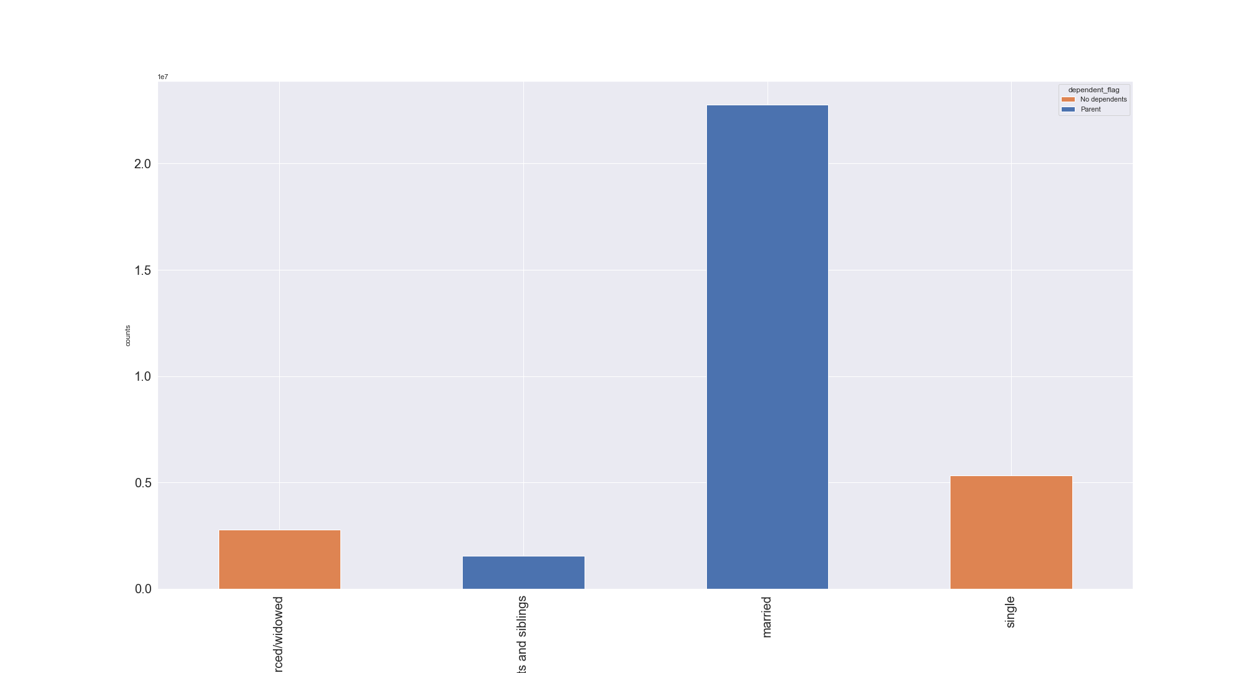

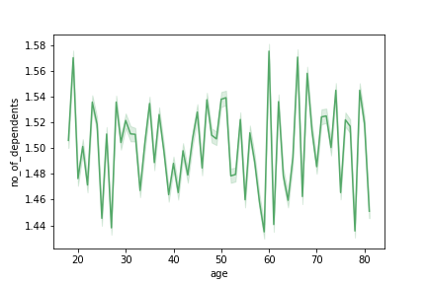

The line chart shows the number of dependents for each customer depending on their age. There is no clear connection between age and number of dependents.
The stacked chart above shows the orders made by each family status and dependent flag.
There are no divorced or single parents. Customers that are married or are living with parents and siblings all have dependents.
Ads targeting customers without dependents should mainly be targeting single and divorced/widowed customers while ads targeting customers with dependents should mainly be targeting married customers and customers living with parents and siblings.

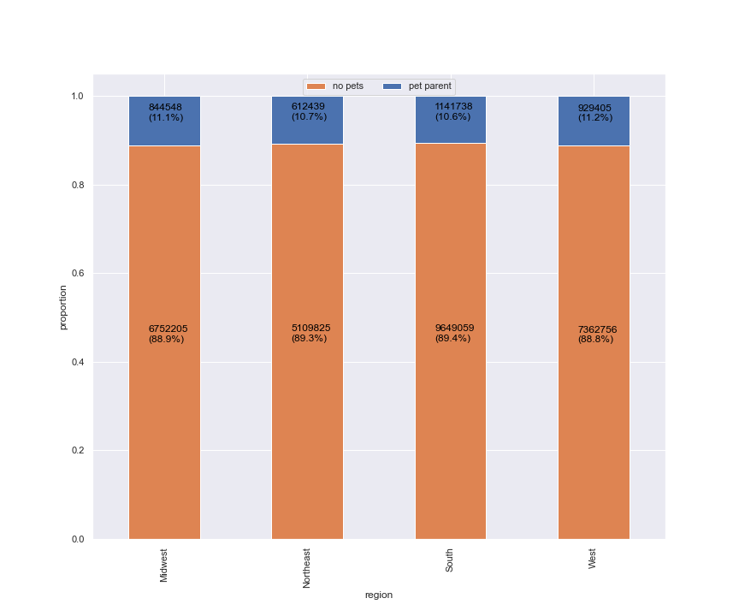
 | Pet parents

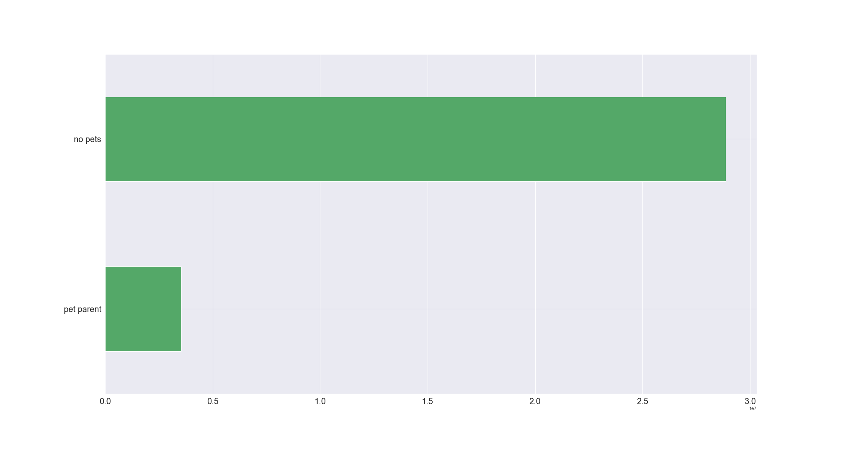

The final profile is for customers with pets. The pet department is on of the less popular departments.
The chart shows that there are fewer pet owners than non-pet owners.
Pet products could be advertised to customers that have purchased from the pet department to increase sales.

This chart shows the regional distribution of pet parents. Only about 11% of customers in each region are pet parents

 | What differences can you find in ordering habits of different customer profiles? Consider the price of orders, the frequency of orders, the products customers are ordering, and anything else you can think of

 | Age group

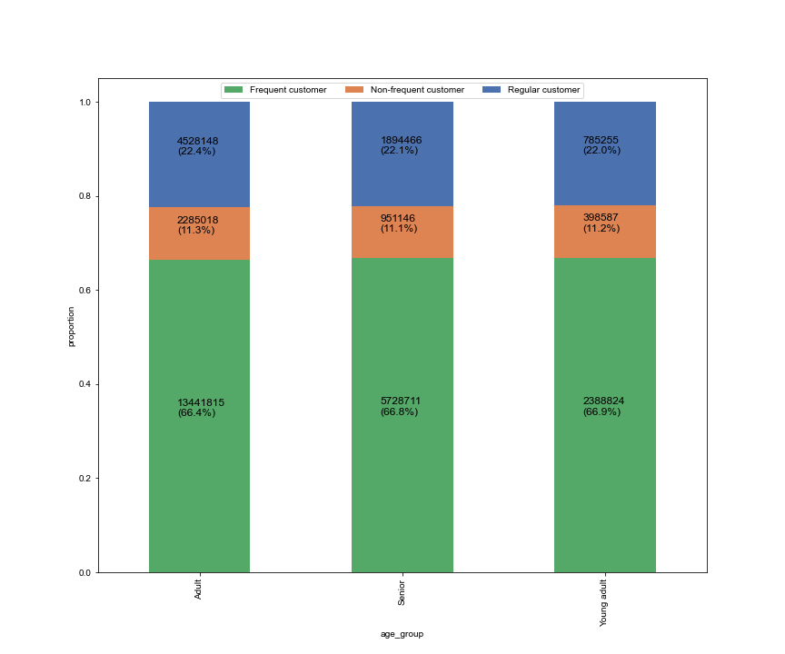

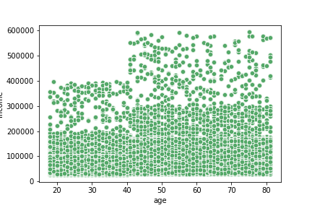

This scatter plot shows that spending power of a customer increases with age. The older customers generally have a higher income than the younger customers.
Advertising more expensive products to older customers and cheaper products to younger customers could increase the amount of orders and boost revenue.

There is a slight difference in order frequency for each age group. Young adults have the highest proportion of frequent customers compared to the other age groups.
Adults have the highest proportion of non-frequent customers.
Ads targeted at each age group could help to increase order frequency.

 | age_group | alcohol | babies | bakery | beverages | breakfast | bulk | canned goods | dairy eggs | deli | dry goods pasta | frozen | household | international | meat seafood | missing | other | pantry | personal care | pets | produce | snacks
 | Adult | 0% | 1% | 4% | 8% | 2% | 0% | 3% | 17% | 3% | 3% | 7% | 2% | 1% | 2% | 0% | 0% | 6% | 1% | 0% | 29% | 9%
 | Senior | 0% | 1% | 4% | 8% | 2% | 0% | 3% | 17% | 3% | 3% | 7% | 2% | 1% | 2% | 0% | 0% | 6% | 1% | 0% | 29% | 9%
 | Young adult | 1% | 1% | 4% | 8% | 2% | 0% | 3% | 17% | 3% | 3% | 7% | 2% | 1% | 2% | 0% | 0% | 6% | 1% | 0% | 29% | 9%

This table shows the proportion of goods ordered from each department for all age groups.
Young adults order more alcohol than other age groups.
These values can be used to guide targeting of ads, departments with higher percentages should be advertised more often.

 | Income brackets
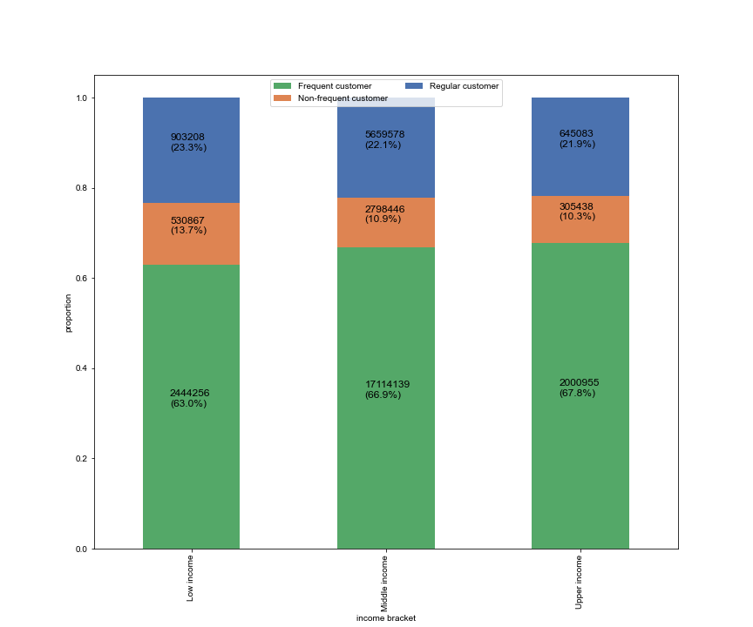
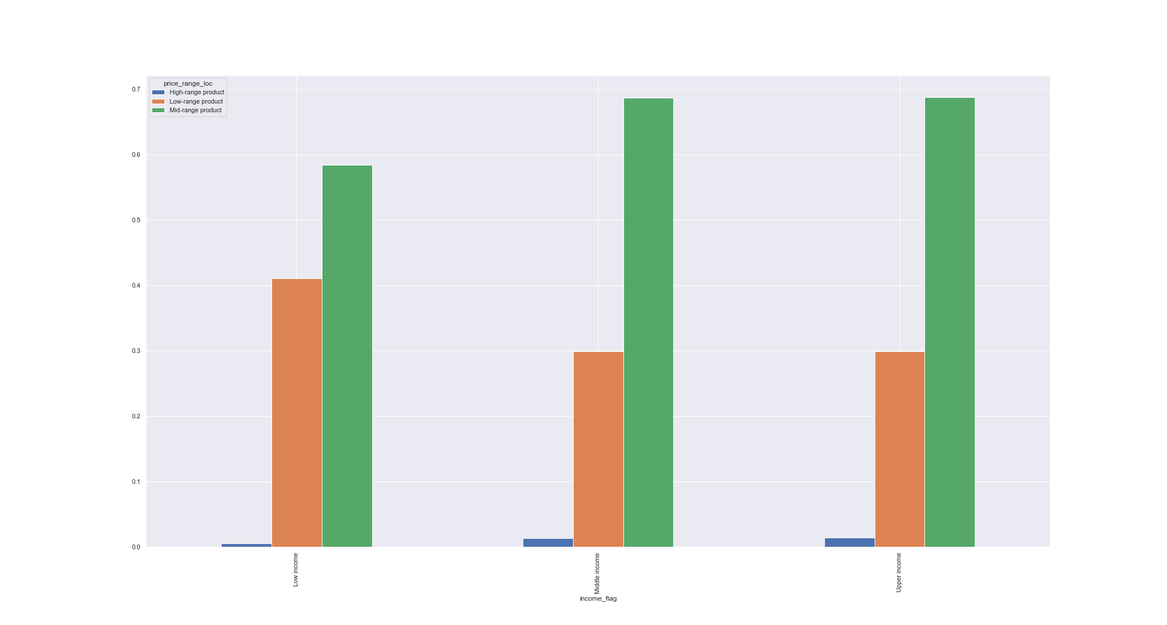

The chart above shows the proportion each income group's orders that are high range products, mid range products and low range products. Low income groups do not buy high range products as often as middle income and upper income groups.
More expensive products can be advertised to middle income and upper income customers.

The chart above shows the order frequency distribution for each income group.
Low income customers have the lowest proportion of frequent customers and the highest proportion of non-frequent customers compared to the other groups.

 | income_flag | alcohol | babies | bakery | beverages | breakfast | bulk | canned goods | dairy eggs | deli | dry goods pasta | frozen | household | international | meat seafood | missing | other | pantry | personal care | pets | produce | snacks
 | Low income | 1% | 1% | 3% | 11% | 3% | 0% | 2% | 15% | 3% | 2% | 7% | 3% | 1% | 1% | 0% | 0% | 5% | 1% | 0% | 25% | 16%
 | Middle income | 0% | 1% | 4% | 8% | 2% | 0% | 3% | 17% | 3% | 3% | 7% | 2% | 1% | 2% | 0% | 0% | 6% | 1% | 0% | 30% | 8%
 | Upper income | 1% | 1% | 4% | 8% | 2% | 0% | 3% | 17% | 3% | 3% | 7% | 2% | 1% | 2% | 0% | 0% | 6% | 1% | 0% | 29% | 8%

The table above shows the percentage of orders coming from each department for each income group.
Low income customers order more snacks and beverages than middle income and upper income customers.
Upper income and middle income customers order more produce, dairy eggs, and pantry products than low income customers.
This table can help in choosing what products are advertised more to each of these income groups.

 | Family Status
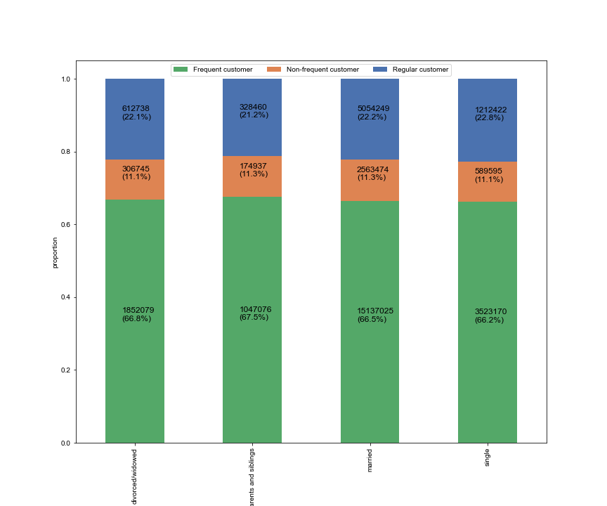

The chart to the left shows the order frequency of customers in each family status group. Customers living with parents and siblings have the highest proportion of frequent customers.

 | marital_status | alcohol | babies | bakery | beverages | breakfast | bulk | canned goods | dairy eggs | deli | dry goods pasta | frozen | household | international | meat seafood | missing | other | pantry | personal care | pets | produce | snacks
 | divorced/widowed | 0% | 1% | 4% | 8% | 2% | 0% | 3% | 17% | 3% | 3% | 7% | 2% | 1% | 2% | 0% | 0% | 6% | 1% | 0% | 29% | 9%
 | living with parents and siblings | 1% | 1% | 4% | 8% | 2% | 0% | 3% | 17% | 3% | 3% | 7% | 2% | 1% | 2% | 0% | 0% | 6% | 1% | 0% | 29% | 9%
 | married | 0% | 1% | 4% | 8% | 2% | 0% | 3% | 17% | 3% | 3% | 7% | 2% | 1% | 2% | 0% | 0% | 6% | 1% | 0% | 29% | 9%
 | single | 0% | 1% | 4% | 8% | 2% | 0% | 3% | 17% | 3% | 3% | 7% | 2% | 1% | 2% | 0% | 0% | 6% | 1% | 0% | 29% | 9%

As shown in the table above, customers from each family status order equal proportions of goods from each department. Similar products can be advertised to these customers.

 | Dependent flag
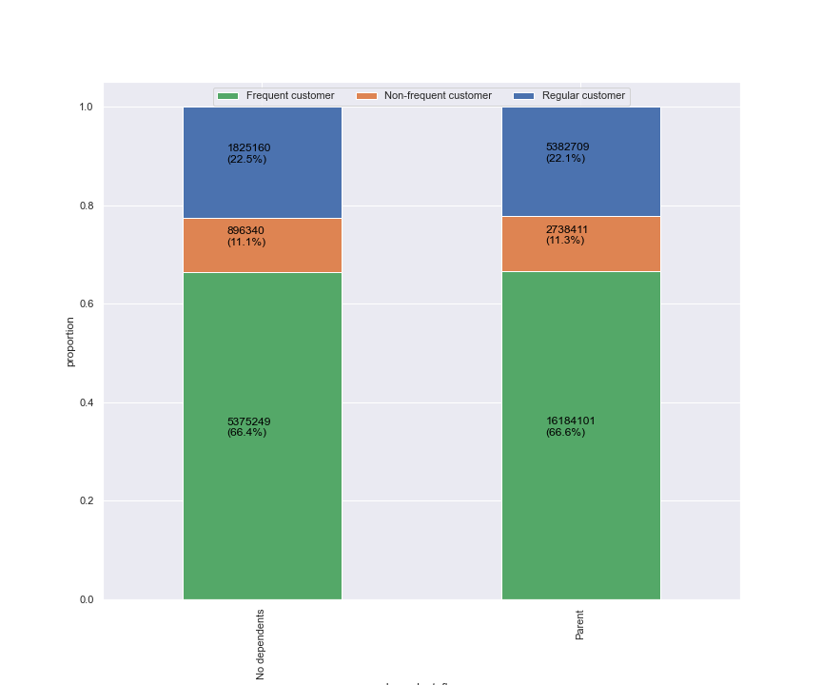

Customers with dependents shop more frequently than customers without dependents.

 | dependent_flag | alcohol | babies | bakery | beverages | breakfast | bulk | canned goods | dairy eggs | deli | dry goods pasta | frozen | household | international | meat seafood | missing | other | pantry | personal care | pets | produce | snacks
 | No dependents | 0% | 1% | 4% | 8% | 2% | 0% | 3% | 17% | 3% | 3% | 7% | 2% | 1% | 2% | 0% | 0% | 6% | 1% | 0% | 29% | 9%
 | Parent | 0% | 1% | 4% | 8% | 2% | 0% | 3% | 17% | 3% | 3% | 7% | 2% | 1% | 2% | 0% | 0% | 6% | 1% | 0% | 29% | 9%

Customers with dependents and customers without dependents have the same preferences in terms of departments. Similar products can be advertised to both groups.

 | Pet parents

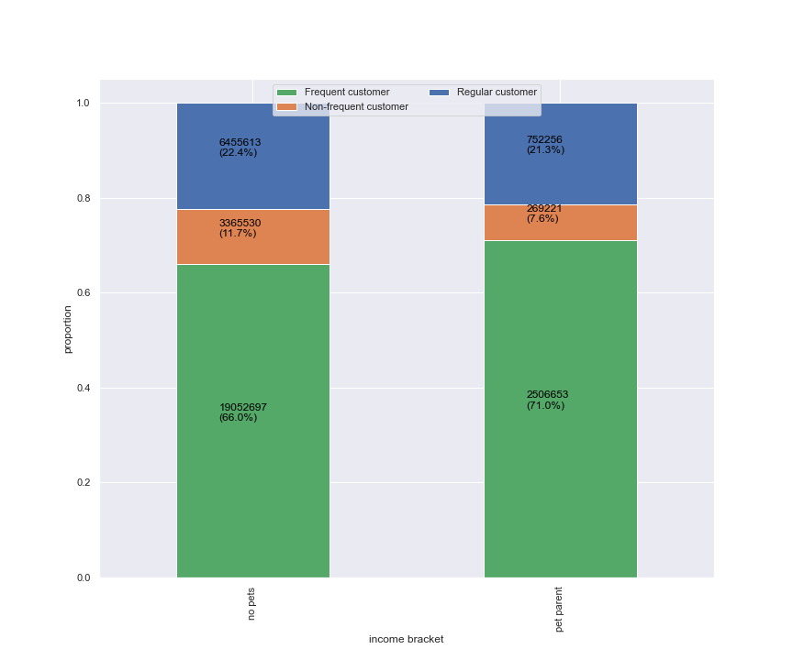

Pet parents have a higher proportion of frequent customers than customers with no pets.
It could be useful to advertise pet products to these customers frequently since they have a tendency to shop more.

 | pet_parents | alcohol | babies | bakery | beverages | breakfast | bulk | canned goods | dairy eggs | deli | dry goods pasta | frozen | household | international | meat seafood | missing | other | pantry | personal care | pets | produce | snacks
 | no pets | 0% | 1% | 4% | 8% | 2% | 0% | 3% | 17% | 3% | 3% | 7% | 2% | 1% | 2% | 0% | 0% | 6% | 1% | 0% | 30% | 9%
 | pet parent | 1% | 1% | 4% | 9% | 2% | 0% | 4% | 15% | 3% | 3% | 8% | 4% | 1% | 2% | 0% | 0% | 6% | 2% | 3% | 22% | 9%

Pet parents have a higher percentage of goods from the pet department. Advertising pet products to these customers could help in boosting sales for the department.

 | Is there a connection between age and family status in terms of ordering habits?

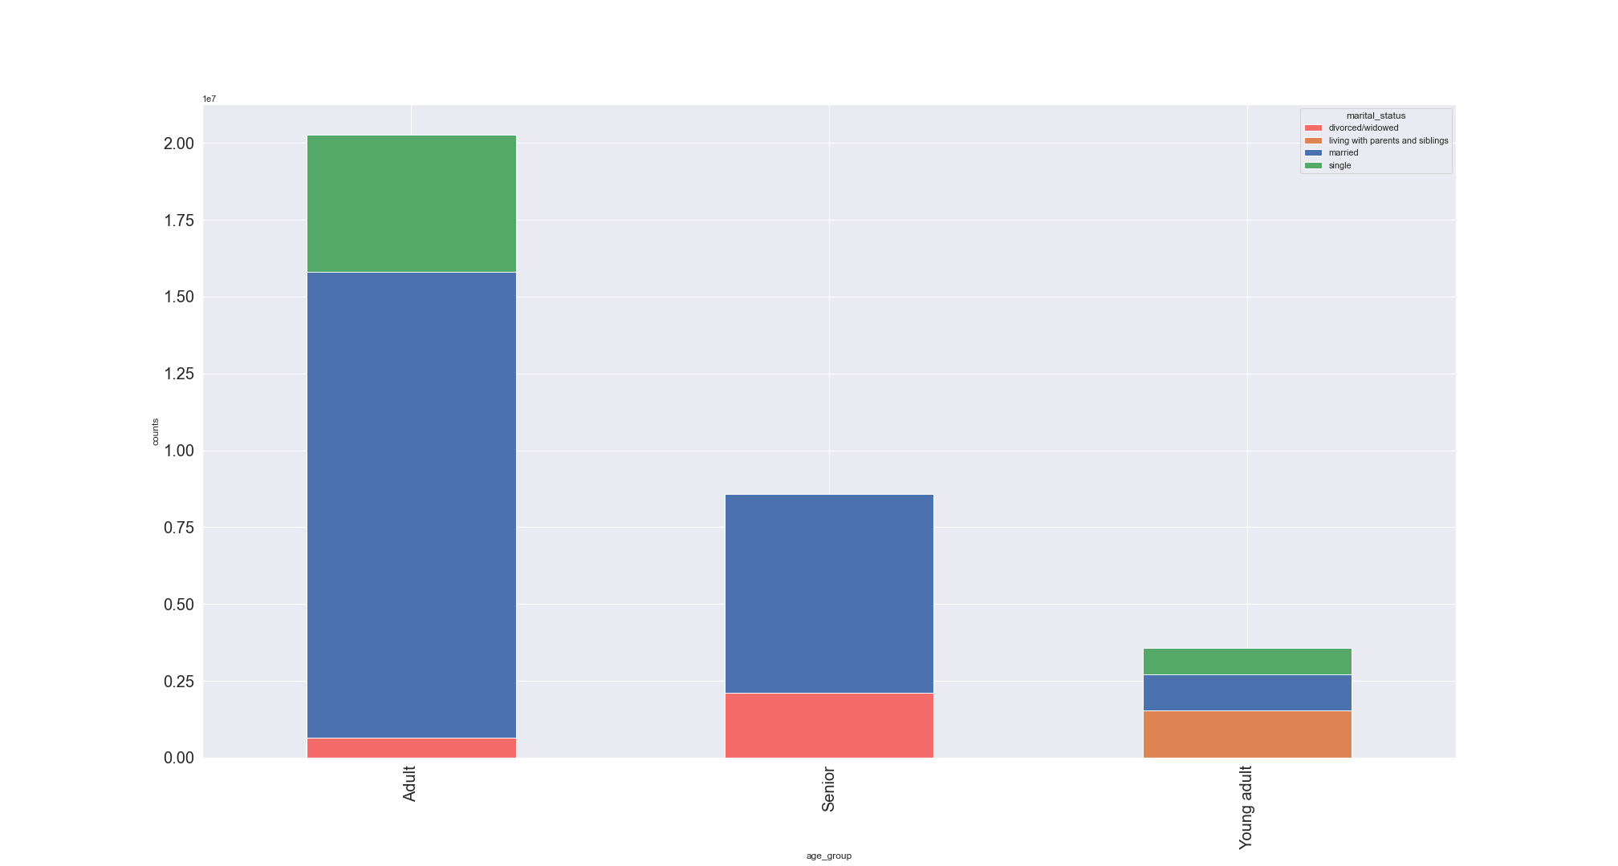

There is a connection between age and family status in terms of ordering habits.
The orders made by customers living with parents and siblings are all orders made by young adults.
Orders made by divorced/widowed customers are only made by adults and seniors.
The older a customer is, the more likely they are to be married. There are no single seniors.
These connections can be beneficial for targeting these groups, for example, ads targeting young adults can be the same ads targeting customers living with parents and siblings.

